base
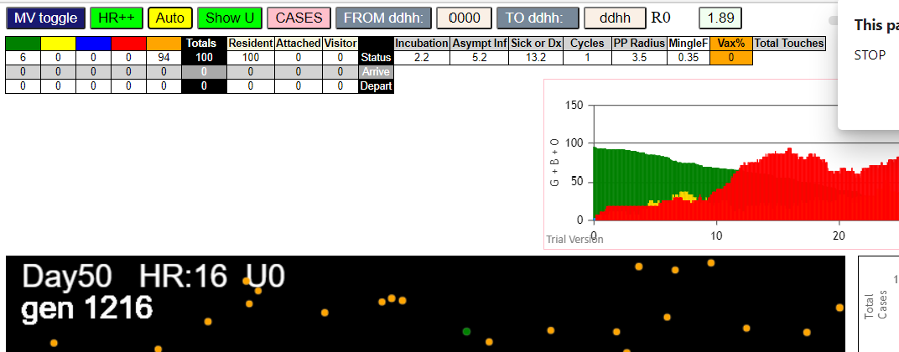
simulationRev2Vax.js:4297 exit covidSim
simulationRev2Vax.js:23 getAsText File {name: "HundredAgentsU0.csv", lastModified: 1599797804000, lastModifiedDate: Thu Sep 10 2020 21:16:44 GMT-0700 (Pacific Daylight Time), webkitRelativePath: "", size: 2140, …}
simulationRev2Vax.js:32 File {name: "HundredAgentsU0.csv", lastModified: 1599797804000, lastModifiedDate: Thu Sep 10 2020 21:16:44 GMT-0700 (Pacific Daylight Time), webkitRelativePath: "", size: 2140, …}
simulationRev2Vax.js:23 getAsText File {name: "VL1.csv", lastModified: 1603760180000, lastModifiedDate: Mon Oct 26 2020 17:56:20 GMT-0700 (Pacific Daylight Time), webkitRelativePath: "", size: 66, …}
simulationRev2Vax.js:32 File {name: "VL1.csv", lastModified: 1603760180000, lastModifiedDate: Mon Oct 26 2020 17:56:20 GMT-0700 (Pacific Daylight Time), webkitRelativePath: "", size: 66, …}
simulationRev2Vax.js:2133 1I j:famKey 34:-1 infected by blue i:famKey 10:-1 at gen 16 in Univ0 prob=0.881
simulationRev2Vax.js:2150 2I i:famKey 0:-1 infected by blue j:famKey 10:-1 at gen 18 in U0 prob=0.190
simulationRev2Vax.js:2133 3I j:famKey 58:-1 infected by blue i:famKey 34:-1 at gen 95 in Univ0 prob=0.441
simulationRev2Vax.js:2133 4I j:famKey 14:-1 infected by blue i:famKey 0:-1 at gen 117 in Univ0 prob=0.237
simulationRev2Vax.js:2133 5I j:famKey 35:-1 infected by red i:famKey 0:-1 at gen 158 in Univ0 prob=0.381
simulationRev2Vax.js:2133 6I j:famKey 56:-1 infected by red i:famKey 34:-1 at gen 160 in Univ0 prob=0.239
simulationRev2Vax.js:2150 7I i:famKey 5:-1 infected by blue j:famKey 58:-1 at gen 180 in U0 prob=0.944
simulationRev2Vax.js:2133 8I j:famKey 99:-1 infected by blue i:famKey 14:-1 at gen 189 in Univ0 prob=0.785
simulationRev2Vax.js:2133 9I j:famKey 76:-1 infected by red i:famKey 34:-1 at gen 199 in Univ0 prob=0.380
simulationRev2Vax.js:2133 10I j:famKey 42:-1 infected by red i:famKey 34:-1 at gen 230 in Univ0 prob=0.939
simulationRev2Vax.js:2133 11I j:famKey 97:-1 infected by red i:famKey 0:-1 at gen 235 in Univ0 prob=0.256
simulationRev2Vax.js:2150 12I i:famKey 2:-1 infected by blue j:famKey 35:-1 at gen 239 in U0 prob=0.071
simulationRev2Vax.js:2133 13I j:famKey 70:-1 infected by red i:famKey 0:-1 at gen 247 in Univ0 prob=0.029
simulationRev2Vax.js:2150 13I i:famKey 7:-1 infected by red j:famKey 14:-1 at gen 248 in U0 prob=0.657
simulationRev2Vax.js:2133 15I j:famKey 41:-1 infected by red i:famKey 0:-1 at gen 266 in Univ0 prob=0.417
simulationRev2Vax.js:2133 16I j:famKey 30:-1 infected by blue i:famKey 5:-1 at gen 281 in Univ0 prob=0.764
simulationRev2Vax.js:2133 17I j:famKey 72:-1 infected by red i:famKey 14:-1 at gen 289 in Univ0 prob=0.115
simulationRev2Vax.js:2133 18I j:famKey 20:-1 infected by red i:famKey 14:-1 at gen 292 in Univ0 prob=0.177
simulationRev2Vax.js:2133 19I j:famKey 64:-1 infected by blue i:famKey 42:-1 at gen 303 in Univ0 prob=0.967
simulationRev2Vax.js:2150 19I i:famKey 44:-1 infected by blue j:famKey 70:-1 at gen 304 in U0 prob=0.525
simulationRev2Vax.js:2150 21I i:famKey 60:-1 infected by blue j:famKey 76:-1 at gen 307 in U0 prob=0.632
simulationRev2Vax.js:2150 22I i:famKey 4:-1 infected by yellow j:famKey 72:-1 at gen 334 in U0 prob=0.592
simulationRev2Vax.js:2133 23I j:famKey 40:-1 infected by blue i:famKey 30:-1 at gen 352 in Univ0 prob=0.531
simulationRev2Vax.js:2133 23I j:famKey 74:-1 infected by blue i:famKey 2:-1 at gen 353 in Univ0 prob=0.845
simulationRev2Vax.js:2150 25I i:famKey 22:-1 infected by red j:famKey 35:-1 at gen 373 in U0 prob=0.822
simulationRev2Vax.js:2133 26I j:famKey 43:-1 infected by blue i:famKey 30:-1 at gen 386 in Univ0 prob=0.863
simulationRev2Vax.js:2150 27I i:famKey 63:-1 infected by red j:famKey 70:-1 at gen 393 in U0 prob=0.668
simulationRev2Vax.js:2133 28I j:famKey 94:-1 infected by red i:famKey 35:-1 at gen 399 in Univ0 prob=0.966
simulationRev2Vax.js:2150 28I i:famKey 6:-1 infected by red j:famKey 35:-1 at gen 400 in U0 prob=0.008
simulationRev2Vax.js:2133 30I j:famKey 71:-1 infected by red i:famKey 2:-1 at gen 410 in Univ0 prob=0.196
simulationRev2Vax.js:2150 31I i:famKey 26:-1 infected by red j:famKey 99:-1 at gen 415 in U0 prob=0.259
simulationRev2Vax.js:2150 32I i:famKey 36:-1 infected by red j:famKey 76:-1 at gen 429 in U0 prob=0.777
simulationRev2Vax.js:2150 33I i:famKey 3:-1 infected by red j:famKey 76:-1 at gen 473 in U0 prob=0.087
simulationRev2Vax.js:2150 34I i:famKey 21:-1 infected by blue j:famKey 43:-1 at gen 495 in U0 prob=0.176
simulationRev2Vax.js:2150 35I i:famKey 55:-1 infected by red j:famKey 74:-1 at gen 499 in U0 prob=0.483
simulationRev2Vax.js:2150 36I i:famKey 51:-1 infected by blue j:famKey 71:-1 at gen 507 in U0 prob=0.987
simulationRev2Vax.js:2133 37I j:famKey 67:-1 infected by red i:famKey 60:-1 at gen 538 in Univ0 prob=0.477
simulationRev2Vax.js:2150 38I i:famKey 23:-1 infected by red j:famKey 94:-1 at gen 545 in U0 prob=0.743
simulationRev2Vax.js:2150 39I i:famKey 8:-1 infected by red j:famKey 44:-1 at gen 563 in U0 prob=0.544
simulationRev2Vax.js:2133 39I j:famKey 73:-1 infected by red i:famKey 20:-1 at gen 564 in Univ0 prob=0.013
simulationRev2Vax.js:2133 41I j:famKey 98:-1 infected by red i:famKey 94:-1 at gen 576 in Univ0 prob=0.271
simulationRev2Vax.js:2133 42I j:famKey 53:-1 infected by red i:famKey 6:-1 at gen 628 in Univ0 prob=0.592
simulationRev2Vax.js:2133 42I j:famKey 50:-1 infected by red i:famKey 6:-1 at gen 629 in Univ0 prob=0.828
simulationRev2Vax.js:2133 44I j:famKey 78:-1 infected by blue i:famKey 23:-1 at gen 631 in Univ0 prob=0.185
simulationRev2Vax.js:2133 45I j:famKey 65:-1 infected by blue i:famKey 8:-1 at gen 646 in Univ0 prob=0.865
simulationRev2Vax.js:2150 46I i:famKey 52:-1 infected by blue j:famKey 98:-1 at gen 656 in U0 prob=0.600
simulationRev2Vax.js:2150 47I i:famKey 38:-1 infected by red j:famKey 94:-1 at gen 660 in U0 prob=0.224
simulationRev2Vax.js:2150 48I i:famKey 19:-1 infected by blue j:famKey 65:-1 at gen 734 in U0 prob=0.421
simulationRev2Vax.js:2133 49I j:famKey 59:-1 infected by red i:famKey 55:-1 at gen 760 in Univ0 prob=0.185
simulationRev2Vax.js:2150 50I i:famKey 49:-1 infected by red j:famKey 78:-1 at gen 766 in U0 prob=0.163
simulationRev2Vax.js:2133 51I j:famKey 77:-1 infected by red i:famKey 55:-1 at gen 783 in Univ0 prob=0.434
simulationRev2Vax.js:2133 51I j:famKey 90:-1 infected by red i:famKey 53:-1 at gen 784 in Univ0 prob=0.041
simulationRev2Vax.js:2150 53I i:famKey 31:-1 infected by red j:famKey 67:-1 at gen 798 in U0 prob=0.803
simulationRev2Vax.js:2133 54I j:famKey 48:-1 infected by red i:famKey 38:-1 at gen 812 in Univ0 prob=0.366
simulationRev2Vax.js:2133 55I j:famKey 91:-1 infected by red i:famKey 73:-1 at gen 815 in Univ0 prob=0.968
simulationRev2Vax.js:2150 56I i:famKey 27:-1 infected by red j:famKey 78:-1 at gen 835 in U0 prob=0.566
simulationRev2Vax.js:2133 57I j:famKey 32:-1 infected by blue i:famKey 31:-1 at gen 859 in Univ0 prob=0.508
simulationRev2Vax.js:2150 58I i:famKey 33:-1 infected by red j:famKey 53:-1 at gen 863 in U0 prob=0.261
simulationRev2Vax.js:2150 59I i:famKey 13:-1 infected by red j:famKey 50:-1 at gen 899 in U0 prob=0.553
simulationRev2Vax.js:2133 60I j:famKey 89:-1 infected by blue i:famKey 27:-1 at gen 902 in Univ0 prob=0.701
simulationRev2Vax.js:2150 61I i:famKey 1:-1 infected by blue j:famKey 32:-1 at gen 942 in U0 prob=0.598
simulationRev2Vax.js:2133 62I j:famKey 66:-1 infected by red i:famKey 31:-1 at gen 948 in Univ0 prob=0.061
simulationRev2Vax.js:2150 63I i:famKey 37:-1 infected by yellow j:famKey 89:-1 at gen 950 in U0 prob=0.401
simulationRev2Vax.js:2150 63I i:famKey 87:-1 infected by red j:famKey 90:-1 at gen 951 in U0 prob=0.693
simulationRev2Vax.js:2133 65I j:famKey 61:-1 infected by blue i:famKey 13:-1 at gen 974 in Univ0 prob=0.268
simulationRev2Vax.js:2150 66I i:famKey 12:-1 infected by red j:famKey 31:-1 at gen 987 in U0 prob=0.217
simulationRev2Vax.js:2133 67I j:famKey 47:-1 infected by red i:famKey 31:-1 at gen 992 in Univ0 prob=0.672
simulationRev2Vax.js:2150 68I i:famKey 24:-1 infected by red j:famKey 91:-1 at gen 1034 in U0 prob=0.456
simulationRev2Vax.js:2133 69I j:famKey 80:-1 infected by blue i:famKey 12:-1 at gen 1045 in Univ0 prob=0.983
simulationRev2Vax.js:2133 70I j:famKey 45:-1 infected by red i:famKey 1:-1 at gen 1083 in Univ0 prob=0.610
simulationRev2Vax.js:2133 70I j:famKey 68:-1 infected by red i:famKey 1:-1 at gen 1083 in Univ0 prob=0.621
simulationRev2Vax.js:2133 72I j:famKey 88:-1 infected by red i:famKey 1:-1 at gen 1096 in Univ0 prob=0.725
simulationRev2Vax.js:2150 73I i:famKey 15:-1 infected by red j:famKey 33:-1 at gen 1111 in U0 prob=0.646
simulationRev2Vax.js:2133 74I j:famKey 95:-1 infected by blue i:famKey 24:-1 at gen 1120 in Univ0 prob=0.397
simulationRev2Vax.js:2133 75I j:famKey 96:-1 infected by red i:famKey 32:-1 at gen 1124 in Univ0 prob=0.121
simulationRev2Vax.js:2150 76I i:famKey 9:-1 infected by red j:famKey 89:-1 at gen 1158 in U0 prob=0.746
simulationRev2Vax.js:2133 76I j:famKey 82:-1 infected by red i:famKey 66:-1 at gen 1159 in Univ0 prob=0.873
simulationRev2Vax.js:2133 78I j:famKey 75:-1 infected by red i:famKey 13:-1 at gen 1168 in Univ0 prob=0.571
simulationRev2Vax.js:2150 79I i:famKey 62:-1 infected by blue j:famKey 88:-1 at gen 1171 in U0 prob=0.351
simulationRev2Vax.js:2133 80I j:famKey 69:-1 infected by blue i:famKey 9:-1 at gen 1218 in Univ0 prob=0.841
simulationRev2Vax.js:2150 81I i:famKey 46:-1 infected by blue j:famKey 82:-1 at gen 1237 in U0 prob=0.850
simulationRev2Vax.js:2133 82I j:famKey 83:-1 infected by red i:famKey 80:-1 at gen 1248 in Univ0 prob=0.349
simulationRev2Vax.js:2133 83I j:famKey 79:-1 infected by red i:famKey 47:-1 at gen 1259 in Univ0 prob=0.429
simulationRev2Vax.js:2133 84I j:famKey 39:-1 infected by blue i:famKey 9:-1 at gen 1273 in Univ0 prob=0.558
simulationRev2Vax.js:2150 85I i:famKey 29:-1 infected by red j:famKey 39:-1 at gen 1404 in U0 prob=0.344

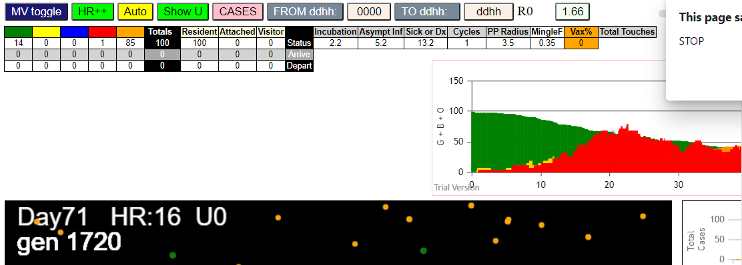

fivetransmitters

simulationRev2Vax.js:4297 exit covidSim
simulationRev2Vax.js:23 getAsText File {name: "HundredAgentsU0.csv", lastModified: 1599797804000, lastModifiedDate: Thu Sep 10 2020 21:16:44 GMT-0700 (Pacific Daylight Time), webkitRelativePath: "", size: 2140, …}
simulationRev2Vax.js:32 File {name: "HundredAgentsU0.csv", lastModified: 1599797804000, lastModifiedDate: Thu Sep 10 2020 21:16:44 GMT-0700 (Pacific Daylight Time), webkitRelativePath: "", size: 2140, …}
simulationRev2Vax.js:23 getAsText File {name: "VL5.csv", lastModified: 1602824104000, lastModifiedDate: Thu Oct 15 2020 21:55:04 GMT-0700 (Pacific Daylight Time), webkitRelativePath: "", size: 144, …}
simulationRev2Vax.js:32 File {name: "VL5.csv", lastModified: 1602824104000, lastModifiedDate: Thu Oct 15 2020 21:55:04 GMT-0700 (Pacific Daylight Time), webkitRelativePath: "", size: 144, …}
simulationRev2Vax.js:2133 5I j:famKey 85:-1 infected by red i:famKey 12:-1 at gen 8 in Univ0 prob=0.230
simulationRev2Vax.js:2133 6I j:famKey 17:-1 infected by red i:famKey 12:-1 at gen 10 in Univ0 prob=0.103
simulationRev2Vax.js:2133 7I j:famKey 88:-1 infected by red i:famKey 11:-1 at gen 29 in Univ0 prob=0.352
simulationRev2Vax.js:2133 8I j:famKey 64:-1 infected by red i:famKey 12:-1 at gen 66 in Univ0 prob=0.259
simulationRev2Vax.js:2133 9I j:famKey 49:-1 infected by red i:famKey 10:-1 at gen 76 in Univ0 prob=0.551
simulationRev2Vax.js:2133 10I j:famKey 75:-1 infected by blue i:famKey 17:-1 at gen 88 in Univ0 prob=0.459
simulationRev2Vax.js:2133 11I j:famKey 81:-1 infected by red i:famKey 12:-1 at gen 92 in Univ0 prob=0.381
simulationRev2Vax.js:2133 12I j:famKey 57:-1 infected by red i:famKey 10:-1 at gen 105 in Univ0 prob=0.523
simulationRev2Vax.js:2133 12I j:famKey 96:-1 infected by red i:famKey 10:-1 at gen 105 in Univ0 prob=0.344
simulationRev2Vax.js:2150 14I i:famKey 20:-1 infected by blue j:famKey 85:-1 at gen 108 in U0 prob=0.131
simulationRev2Vax.js:2133 15I j:famKey 97:-1 infected by blue i:famKey 17:-1 at gen 124 in Univ0 prob=0.351
simulationRev2Vax.js:2150 16I i:famKey 82:-1 infected by red j:famKey 85:-1 at gen 135 in U0 prob=0.088
simulationRev2Vax.js:2133 17I j:famKey 50:-1 infected by red i:famKey 12:-1 at gen 142 in Univ0 prob=0.395
simulationRev2Vax.js:2133 18I j:famKey 65:-1 infected by blue i:famKey 49:-1 at gen 149 in Univ0 prob=0.121
simulationRev2Vax.js:2133 19I j:famKey 74:-1 infected by red i:famKey 14:-1 at gen 153 in Univ0 prob=0.745
simulationRev2Vax.js:2150 19I i:famKey 41:-1 infected by blue j:famKey 49:-1 at gen 153 in U0 prob=0.225
simulationRev2Vax.js:2150 21I i:famKey 0:-1 infected by red j:famKey 12:-1 at gen 156 in U0 prob=0.448
simulationRev2Vax.js:2150 22I i:famKey 4:-1 infected by red j:famKey 14:-1 at gen 158 in U0 prob=0.574
simulationRev2Vax.js:2133 23I j:famKey 71:-1 infected by blue i:famKey 20:-1 at gen 167 in Univ0 prob=0.326
simulationRev2Vax.js:2133 23I j:famKey 37:-1 infected by red i:famKey 12:-1 at gen 168 in Univ0 prob=0.685
simulationRev2Vax.js:2150 25I i:famKey 51:-1 infected by blue j:famKey 64:-1 at gen 176 in U0 prob=0.740
simulationRev2Vax.js:2150 26I i:famKey 5:-1 infected by blue j:famKey 57:-1 at gen 203 in U0 prob=0.866
simulationRev2Vax.js:2133 27I j:famKey 92:-1 infected by red i:famKey 81:-1 at gen 206 in Univ0 prob=0.616
simulationRev2Vax.js:2150 28I i:famKey 60:-1 infected by blue j:famKey 82:-1 at gen 211 in U0 prob=0.072
simulationRev2Vax.js:2150 29I i:famKey 61:-1 infected by red j:famKey 88:-1 at gen 217 in U0 prob=0.718
simulationRev2Vax.js:2133 29I j:famKey 95:-1 infected by red i:famKey 49:-1 at gen 218 in Univ0 prob=0.215
simulationRev2Vax.js:2133 31I j:famKey 39:-1 infected by blue i:famKey 4:-1 at gen 235 in Univ0 prob=0.174
simulationRev2Vax.js:2150 32I i:famKey 19:-1 infected by blue j:famKey 51:-1 at gen 250 in U0 prob=0.730
simulationRev2Vax.js:2150 33I i:famKey 54:-1 infected by blue j:famKey 74:-1 at gen 264 in U0 prob=0.036
simulationRev2Vax.js:2133 34I j:famKey 99:-1 infected by red i:famKey 49:-1 at gen 280 in Univ0 prob=0.039
simulationRev2Vax.js:2150 35I i:famKey 29:-1 infected by blue j:famKey 95:-1 at gen 296 in U0 prob=0.202
simulationRev2Vax.js:2150 36I i:famKey 58:-1 infected by red j:famKey 75:-1 at gen 298 in U0 prob=0.483
simulationRev2Vax.js:2150 37I i:famKey 56:-1 infected by blue j:famKey 61:-1 at gen 302 in U0 prob=0.286
simulationRev2Vax.js:2150 38I i:famKey 23:-1 infected by blue j:famKey 61:-1 at gen 314 in U0 prob=0.093
simulationRev2Vax.js:2133 39I j:famKey 78:-1 infected by blue i:famKey 61:-1 at gen 325 in Univ0 prob=0.065
simulationRev2Vax.js:2133 40I j:famKey 36:-1 infected by red i:famKey 20:-1 at gen 342 in Univ0 prob=0.543
simulationRev2Vax.js:2150 41I i:famKey 40:-1 infected by blue j:famKey 58:-1 at gen 354 in U0 prob=0.545
simulationRev2Vax.js:2150 42I i:famKey 34:-1 infected by blue j:famKey 58:-1 at gen 356 in U0 prob=0.337
simulationRev2Vax.js:2150 43I i:famKey 16:-1 infected by red j:famKey 97:-1 at gen 359 in U0 prob=0.933
simulationRev2Vax.js:2133 44I j:famKey 73:-1 infected by red i:famKey 20:-1 at gen 389 in Univ0 prob=0.088
simulationRev2Vax.js:2133 45I j:famKey 94:-1 infected by red i:famKey 65:-1 at gen 392 in Univ0 prob=0.817
simulationRev2Vax.js:2133 46I j:famKey 18:-1 infected by red i:famKey 5:-1 at gen 401 in Univ0 prob=0.951
simulationRev2Vax.js:2133 46I j:famKey 21:-1 infected by red i:famKey 19:-1 at gen 402 in Univ0 prob=0.188
simulationRev2Vax.js:2150 47I i:famKey 24:-1 infected by red j:famKey 60:-1 at gen 403 in U0 prob=0.067
simulationRev2Vax.js:2133 49I j:famKey 9:-1 infected by red i:famKey 5:-1 at gen 409 in Univ0 prob=0.030
simulationRev2Vax.js:2133 50I j:famKey 77:-1 infected by red i:famKey 0:-1 at gen 421 in Univ0 prob=0.300
simulationRev2Vax.js:2150 51I i:famKey 1:-1 infected by red j:famKey 99:-1 at gen 433 in U0 prob=0.840
simulationRev2Vax.js:2133 52I j:famKey 93:-1 infected by red i:famKey 58:-1 at gen 441 in Univ0 prob=0.652
simulationRev2Vax.js:2133 53I j:famKey 76:-1 infected by blue i:famKey 40:-1 at gen 451 in Univ0 prob=0.942
simulationRev2Vax.js:2133 54I j:famKey 48:-1 infected by blue i:famKey 36:-1 at gen 454 in Univ0 prob=0.728
simulationRev2Vax.js:2150 55I i:famKey 33:-1 infected by red j:famKey 58:-1 at gen 461 in U0 prob=0.967
simulationRev2Vax.js:2150 56I i:famKey 31:-1 infected by red j:famKey 36:-1 at gen 468 in U0 prob=0.153
simulationRev2Vax.js:2150 57I i:famKey 30:-1 infected by red j:famKey 36:-1 at gen 473 in U0 prob=0.702
simulationRev2Vax.js:2150 58I i:famKey 7:-1 infected by blue j:famKey 16:-1 at gen 479 in U0 prob=0.622
simulationRev2Vax.js:2133 58I j:famKey 72:-1 infected by red i:famKey 58:-1 at gen 479 in Univ0 prob=0.866
simulationRev2Vax.js:2133 60I j:famKey 53:-1 infected by blue i:famKey 1:-1 at gen 484 in Univ0 prob=0.800
simulationRev2Vax.js:2150 61I i:famKey 89:-1 infected by blue j:famKey 94:-1 at gen 509 in U0 prob=0.994
simulationRev2Vax.js:2150 62I i:famKey 35:-1 infected by red j:famKey 58:-1 at gen 521 in U0 prob=0.104
simulationRev2Vax.js:2150 62I i:famKey 45:-1 infected by red j:famKey 58:-1 at gen 521 in U0 prob=0.403
simulationRev2Vax.js:2133 64I j:famKey 90:-1 infected by blue i:famKey 76:-1 at gen 525 in Univ0 prob=0.234
simulationRev2Vax.js:2150 65I i:famKey 22:-1 infected by blue j:famKey 76:-1 at gen 527 in U0 prob=0.171
simulationRev2Vax.js:2133 66I j:famKey 69:-1 infected by red i:famKey 16:-1 at gen 529 in Univ0 prob=0.867
simulationRev2Vax.js:2133 67I j:famKey 32:-1 infected by red i:famKey 23:-1 at gen 534 in Univ0 prob=0.424
simulationRev2Vax.js:2133 68I j:famKey 62:-1 infected by blue i:famKey 31:-1 at gen 538 in Univ0 prob=0.133
simulationRev2Vax.js:2133 69I j:famKey 26:-1 infected by red i:famKey 16:-1 at gen 553 in Univ0 prob=0.368
simulationRev2Vax.js:2150 69I i:famKey 26:-1 infected by blue j:famKey 31:-1 at gen 553 in U0 prob=0.570
simulationRev2Vax.js:2150 69I i:famKey 3:-1 infected by red j:famKey 23:-1 at gen 554 in U0 prob=0.370
simulationRev2Vax.js:2150 69I i:famKey 27:-1 infected by blue j:famKey 33:-1 at gen 554 in U0 prob=0.520
simulationRev2Vax.js:2133 72I j:famKey 28:-1 infected by red i:famKey 23:-1 at gen 562 in Univ0 prob=0.067
simulationRev2Vax.js:2133 73I j:famKey 38:-1 infected by red i:famKey 23:-1 at gen 565 in Univ0 prob=0.331
simulationRev2Vax.js:2133 73I j:famKey 87:-1 infected by blue i:famKey 31:-1 at gen 566 in Univ0 prob=0.437
simulationRev2Vax.js:2133 74I j:famKey 59:-1 infected by red i:famKey 36:-1 at gen 567 in Univ0 prob=0.243
simulationRev2Vax.js:2133 76I j:famKey 98:-1 infected by red i:famKey 73:-1 at gen 578 in Univ0 prob=0.590
simulationRev2Vax.js:2133 77I j:famKey 42:-1 infected by red i:famKey 24:-1 at gen 583 in Univ0 prob=0.141
simulationRev2Vax.js:2133 78I j:famKey 83:-1 infected by red i:famKey 34:-1 at gen 599 in Univ0 prob=0.035
simulationRev2Vax.js:2133 78I j:famKey 70:-1 infected by red i:famKey 30:-1 at gen 600 in Univ0 prob=0.942
simulationRev2Vax.js:2133 80I j:famKey 68:-1 infected by blue i:famKey 35:-1 at gen 626 in Univ0 prob=0.665
simulationRev2Vax.js:2150 81I i:famKey 6:-1 infected by red j:famKey 72:-1 at gen 638 in U0 prob=0.231
simulationRev2Vax.js:2133 82I j:famKey 80:-1 infected by blue i:famKey 3:-1 at gen 650 in Univ0 prob=0.799
simulationRev2Vax.js:2133 83I j:famKey 55:-1 infected by red i:famKey 48:-1 at gen 652 in Univ0 prob=0.348
simulationRev2Vax.js:2133 84I j:famKey 66:-1 infected by red i:famKey 45:-1 at gen 664 in Univ0 prob=0.640
simulationRev2Vax.js:2133 84I j:famKey 84:-1 infected by red i:famKey 72:-1 at gen 664 in Univ0 prob=0.517
simulationRev2Vax.js:2133 86I j:famKey 67:-1 infected by blue i:famKey 28:-1 at gen 678 in Univ0 prob=0.031
simulationRev2Vax.js:2150 87I i:famKey 8:-1 infected by red j:famKey 45:-1 at gen 705 in U0 prob=0.309
simulationRev2Vax.js:2133 88I j:famKey 79:-1 infected by red i:famKey 30:-1 at gen 717 in Univ0 prob=0.412
simulationRev2Vax.js:2133 88I j:famKey 91:-1 infected by red i:famKey 72:-1 at gen 717 in Univ0 prob=0.681
simulationRev2Vax.js:2150 90I i:famKey 2:-1 infected by red j:famKey 48:-1 at gen 738 in U0 prob=0.162
simulationRev2Vax.js:2133 91I j:famKey 43:-1 infected by red i:famKey 28:-1 at gen 742 in Univ0 prob=0.677
simulationRev2Vax.js:2150 92I i:famKey 25:-1 infected by blue j:famKey 67:-1 at gen 750 in U0 prob=0.990
simulationRev2Vax.js:2133 93I j:famKey 63:-1 infected by red i:famKey 55:-1 at gen 916 in Univ0 prob=0.228

mode 1
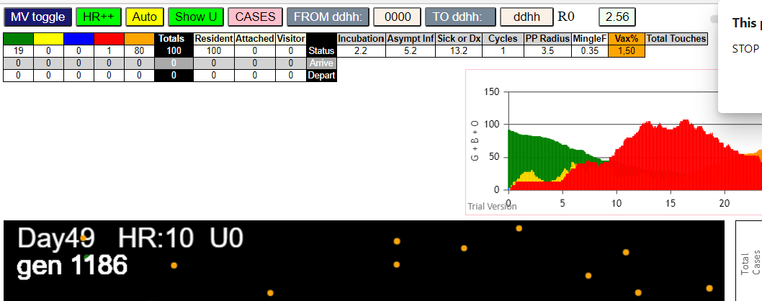
simulationRev2Vax.js:4297 exit covidSim
simulationRev2Vax.js:23 getAsText File {name: "HundredAgentsU0.csv", lastModified: 1599797804000, lastModifiedDate: Thu Sep 10 2020 21:16:44 GMT-0700 (Pacific Daylight Time), webkitRelativePath: "", size: 2140, …}
simulationRev2Vax.js:32 File {name: "HundredAgentsU0.csv", lastModified: 1599797804000, lastModifiedDate: Thu Sep 10 2020 21:16:44 GMT-0700 (Pacific Daylight Time), webkitRelativePath: "", size: 2140, …}
simulationRev2Vax.js:23 getAsText File {name: "VL1.csv", lastModified: 1603760180000, lastModifiedDate: Mon Oct 26 2020 17:56:20 GMT-0700 (Pacific Daylight Time), webkitRelativePath: "", size: 66, …}
simulationRev2Vax.js:32 File {name: "VL1.csv", lastModified: 1603760180000, lastModifiedDate: Mon Oct 26 2020 17:56:20 GMT-0700 (Pacific Daylight Time), webkitRelativePath: "", size: 66, …}
simulationRev2Vax.js:1674 (100) [0, 1, 2, 3, 4, 5, 6, 7, 8, 9, 10, 11, 12, 13, 14, 15, 16, 17, 18, 19, 20, 21, 22, 23, 24, 25, 26, 27, 28, 29, 30, 31, 32, 33, 34, 35, 36, 37, 38, 39, 40, 41, 42, 43, 44, 45, 46, 47, 48, 49, 50, 51, 52, 53, 54, 55, 56, 57, 58, 59, 60, 61, 62, 63, 64, 65, 66, 67, 68, 69, 70, 71, 72, 73, 74, 75, 76, 77, 78, 79, 80, 81, 82, 83, 84, 85, 86, 87, 88, 89, 90, 91, 92, 93, 94, 95, 96, 97, 98, 99]
simulationRev2Vax.js:1684 (99) [0, 1, 2, 3, 4, 5, 6, 7, 8, 9, 11, 12, 13, 14, 15, 16, 17, 18, 19, 20, 21, 22, 23, 24, 25, 26, 27, 28, 29, 30, 31, 32, 33, 34, 35, 36, 37, 38, 39, 40, 41, 42, 43, 44, 45, 46, 47, 48, 49, 50, 51, 52, 53, 54, 55, 56, 57, 58, 59, 60, 61, 62, 63, 64, 65, 66, 67, 68, 69, 70, 71, 72, 73, 74, 75, 76, 77, 78, 79, 80, 81, 82, 83, 84, 85, 86, 87, 88, 89, 90, 91, 92, 93, 94, 95, 96, 97, 98, 99]
simulationRev2Vax.js:1712 Vaccination list = 49
simulationRev2Vax.js:1726 vaccinated 52,3,92,54,79,44,53,40,9,66,38,34,74,35,46,49,11,57,99,85,98,80,12,96,17,29,5,37,0,14,30,32,6,51,26,63,91,47,87,28,76,36,18,94,70,33,61,77,20
simulationRev2Vax.js:2133 1I j:famKey 67:-1 infected by red i:famKey 10:-1 at gen 143 in Univ0 prob=0.597
simulationRev2Vax.js:2150 2I i:famKey 9:-1 infected by red j:famKey 10:-1 at gen 175 in U0 prob=0.846
simulationRev2Vax.js:2133 3I j:famKey 49:-1 infected by blue i:famKey 9:-1 at gen 281 in Univ0 prob=0.821
simulationRev2Vax.js:2133 4I j:famKey 98:-1 infected by red i:famKey 67:-1 at gen 312 in Univ0 prob=0.877
simulationRev2Vax.js:2133 5I j:famKey 57:-1 infected by red i:famKey 9:-1 at gen 324 in Univ0 prob=0.130
simulationRev2Vax.js:2150 6I i:famKey 5:-1 infected by blue j:famKey 49:-1 at gen 370 in U0 prob=0.854
simulationRev2Vax.js:2133 7I j:famKey 62:-1 infected by red i:famKey 9:-1 at gen 378 in Univ0 prob=0.843
simulationRev2Vax.js:2133 8I j:famKey 91:-1 infected by red i:famKey 49:-1 at gen 428 in Univ0 prob=0.824
simulationRev2Vax.js:2150 9I i:famKey 12:-1 infected by red j:famKey 49:-1 at gen 450 in U0 prob=0.799
simulationRev2Vax.js:2150 10I i:famKey 24:-1 infected by blue j:famKey 62:-1 at gen 454 in U0 prob=0.969
simulationRev2Vax.js:2133 11I j:famKey 61:-1 infected by blue i:famKey 5:-1 at gen 470 in Univ0 prob=0.786
simulationRev2Vax.js:2150 12I i:famKey 51:-1 infected by red j:famKey 98:-1 at gen 536 in U0 prob=0.836
simulationRev2Vax.js:2133 13I j:famKey 25:-1 infected by red i:famKey 12:-1 at gen 585 in Univ0 prob=0.838
simulationRev2Vax.js:2133 14I j:famKey 90:-1 infected by red i:famKey 5:-1 at gen 620 in Univ0 prob=0.962
simulationRev2Vax.js:2150 15I i:famKey 13:-1 infected by red j:famKey 91:-1 at gen 651 in U0 prob=0.774
simulationRev2Vax.js:2133 16I j:famKey 92:-1 infected by red i:famKey 91:-1 at gen 678 in Univ0 prob=0.766
simulationRev2Vax.js:2133 17I j:famKey 46:-1 infected by red i:famKey 24:-1 at gen 697 in Univ0 prob=0.846
simulationRev2Vax.js:2133 18I j:famKey 21:-1 infected by yellow i:famKey 13:-1 at gen 700 in Univ0 prob=0.776
simulationRev2Vax.js:2133 19I j:famKey 89:-1 infected by blue i:famKey 13:-1 at gen 748 in Univ0 prob=0.801
simulationRev2Vax.js:2133 20I j:famKey 20:-1 infected by blue i:famKey 13:-1 at gen 766 in Univ0 prob=0.863
simulationRev2Vax.js:2133 21I j:famKey 60:-1 infected by red i:famKey 13:-1 at gen 796 in Univ0 prob=0.973
simulationRev2Vax.js:2150 22I i:famKey 84:-1 infected by red j:famKey 92:-1 at gen 836 in U0 prob=0.781
simulationRev2Vax.js:2133 23I j:famKey 95:-1 infected by red i:famKey 90:-1 at gen 871 in Univ0 prob=0.926
simulationRev2Vax.js:2133 24I j:famKey 82:-1 infected by red i:famKey 13:-1 at gen 887 in Univ0 prob=0.823
simulationRev2Vax.js:2150 25I i:famKey 6:-1 infected by blue j:famKey 84:-1 at gen 942 in U0 prob=0.869
simulationRev2Vax.js:2133 26I j:famKey 97:-1 infected by red i:famKey 46:-1 at gen 953 in Univ0 prob=0.841
simulationRev2Vax.js:2133 27I j:famKey 96:-1 infected by blue i:famKey 6:-1 at gen 1016 in Univ0 prob=0.256
simulationRev2Vax.js:2150 28I i:famKey 4:-1 infected by blue j:famKey 97:-1 at gen 1024 in U0 prob=0.990
simulationRev2Vax.js:2150 28I i:famKey 56:-1 infected by red j:famKey 84:-1 at gen 1025 in U0 prob=0.048
simulationRev2Vax.js:2133 30I j:famKey 93:-1 infected by blue i:famKey 56:-1 at gen 1137 in Univ0 prob=0.049
simulationRev2Vax.js:2150 31I i:famKey 81:-1 infected by red j:famKey 96:-1 at gen 1139 in U0 prob=0.682
simulationRev2Vax.js:2133 32I j:famKey 78:-1 infected by blue i:famKey 4:-1 at gen 1142 in Univ0 prob=0.271
simulationRev2Vax.js:2150 33I i:famKey 27:-1 infected by red j:famKey 96:-1 at gen 1154 in U0 prob=0.416
simulationRev2Vax.js:2133 34I j:famKey 47:-1 infected by red i:famKey 6:-1 at gen 1174 in Univ0 prob=0.882
simulationRev2Vax.js:2150 35I i:famKey 74:-1 infected by blue j:famKey 93:-1 at gen 1221 in U0 prob=0.113
simulationRev2Vax.js:2133 36I j:famKey 32:-1 infected by red i:famKey 6:-1 at gen 1229 in Univ0 prob=0.639
simulationRev2Vax.js:2150 37I i:famKey 52:-1 infected by blue j:famKey 81:-1 at gen 1235 in U0 prob=0.112
simulationRev2Vax.js:2150 38I i:famKey 2:-1 infected by red j:famKey 96:-1 at gen 1271 in U0 prob=0.862
simulationRev2Vax.js:2133 39I j:famKey 75:-1 infected by blue i:famKey 32:-1 at gen 1297 in Univ0 prob=0.617
simulationRev2Vax.js:2150 40I i:famKey 22:-1 infected by blue j:famKey 52:-1 at gen 1327 in U0 prob=0.509
simulationRev2Vax.js:2133 41I j:famKey 17:-1 infected by blue i:famKey 2:-1 at gen 1343 in Univ0 prob=0.179
simulationRev2Vax.js:2150 42I i:famKey 79:-1 infected by red j:famKey 93:-1 at gen 1352 in U0 prob=0.023
simulationRev2Vax.js:2133 43I j:famKey 77:-1 infected by red i:famKey 32:-1 at gen 1359 in Univ0 prob=0.906
simulationRev2Vax.js:2150 44I i:famKey 16:-1 infected by red j:famKey 74:-1 at gen 1373 in U0 prob=0.251
simulationRev2Vax.js:2150 45I i:famKey 8:-1 infected by blue j:famKey 17:-1 at gen 1401 in U0 prob=0.939
simulationRev2Vax.js:2150 46I i:famKey 70:-1 infected by blue j:famKey 79:-1 at gen 1436 in U0 prob=0.796
simulationRev2Vax.js:2133 47I j:famKey 40:-1 infected by red i:famKey 2:-1 at gen 1448 in Univ0 prob=0.371
simulationRev2Vax.js:2133 48I j:famKey 71:-1 infected by blue i:famKey 17:-1 at gen 1452 in Univ0 prob=0.945
simulationRev2Vax.js:2133 49I j:famKey 34:-1 infected by red i:famKey 2:-1 at gen 1477 in Univ0 prob=0.845
simulationRev2Vax.js:2133 50I j:famKey 65:-1 infected by red i:famKey 52:-1 at gen 1489 in Univ0 prob=0.625
simulationRev2Vax.js:2133 51I j:famKey 37:-1 infected by red i:famKey 2:-1 at gen 1503 in Univ0 prob=0.571
simulationRev2Vax.js:2133 52I j:famKey 36:-1 infected by red i:famKey 17:-1 at gen 1511 in Univ0 prob=0.371
simulationRev2Vax.js:2133 52I j:famKey 85:-1 infected by blue i:famKey 40:-1 at gen 1511 in Univ0 prob=0.524
simulationRev2Vax.js:2133 54I j:famKey 88:-1 infected by red i:famKey 79:-1 at gen 1519 in Univ0 prob=0.641
simulationRev2Vax.js:2133 55I j:famKey 83:-1 infected by red i:famKey 17:-1 at gen 1536 in Univ0 prob=0.086
simulationRev2Vax.js:2150 56I i:famKey 26:-1 infected by red j:famKey 79:-1 at gen 1545 in U0 prob=0.057
simulationRev2Vax.js:2133 57I j:famKey 80:-1 infected by red i:famKey 75:-1 at gen 1553 in Univ0 prob=0.872
simulationRev2Vax.js:2150 58I i:famKey 15:-1 infected by red j:famKey 22:-1 at gen 1559 in U0 prob=0.036
simulationRev2Vax.js:2150 59I i:famKey 19:-1 infected by red j:famKey 77:-1 at gen 1564 in U0 prob=0.411
simulationRev2Vax.js:2133 60I j:famKey 94:-1 infected by blue i:famKey 71:-1 at gen 1566 in Univ0 prob=0.521
simulationRev2Vax.js:2150 61I i:famKey 64:-1 infected by blue j:famKey 88:-1 at gen 1582 in U0 prob=0.314
simulationRev2Vax.js:2133 61I j:famKey 86:-1 infected by blue i:famKey 85:-1 at gen 1583 in Univ0 prob=0.379
simulationRev2Vax.js:2150 63I i:famKey 18:-1 infected by blue j:famKey 85:-1 at gen 1586 in U0 prob=0.707
simulationRev2Vax.js:2150 64I i:famKey 54:-1 infected by blue j:famKey 85:-1 at gen 1616 in U0 prob=0.525
simulationRev2Vax.js:2133 65I j:famKey 87:-1 infected by red i:famKey 34:-1 at gen 1623 in Univ0 prob=0.674
simulationRev2Vax.js:2133 66I j:famKey 45:-1 infected by red i:famKey 40:-1 at gen 1644 in Univ0 prob=0.849
simulationRev2Vax.js:2150 67I i:famKey 33:-1 infected by blue j:famKey 64:-1 at gen 1650 in U0 prob=0.413
simulationRev2Vax.js:2133 67I j:famKey 50:-1 infected by red i:famKey 34:-1 at gen 1651 in Univ0 prob=0.613
simulationRev2Vax.js:2150 69I i:famKey 14:-1 infected by blue j:famKey 94:-1 at gen 1654 in U0 prob=0.297
simulationRev2Vax.js:2133 70I j:famKey 69:-1 infected by blue i:famKey 26:-1 at gen 1658 in Univ0 prob=0.735
simulationRev2Vax.js:2150 70I i:famKey 7:-1 infected by blue j:famKey 86:-1 at gen 1659 in U0 prob=0.331
simulationRev2Vax.js:2150 72I i:famKey 1:-1 infected by red j:famKey 37:-1 at gen 1662 in U0 prob=0.705
simulationRev2Vax.js:2150 73I i:famKey 43:-1 infected by red j:famKey 85:-1 at gen 1665 in U0 prob=0.569
simulationRev2Vax.js:2133 74I j:famKey 72:-1 infected by red i:famKey 40:-1 at gen 1679 in Univ0 prob=0.342
simulationRev2Vax.js:2150 75I i:famKey 31:-1 infected by red j:famKey 40:-1 at gen 1696 in U0 prob=0.335
simulationRev2Vax.js:2150 76I i:famKey 29:-1 infected by red j:famKey 88:-1 at gen 1738 in U0 prob=0.010
simulationRev2Vax.js:2150 77I i:famKey 38:-1 infected by blue j:famKey 43:-1 at gen 1740 in U0 prob=0.548
simulationRev2Vax.js:2133 78I j:famKey 48:-1 infected by blue i:famKey 1:-1 at gen 1763 in Univ0 prob=0.691
simulationRev2Vax.js:2133 79I j:famKey 99:-1 infected by red i:famKey 54:-1 at gen 1790 in Univ0 prob=0.778
simulationRev2Vax.js:2150 80I i:famKey 3:-1 infected by red j:famKey 69:-1 at gen 1868 in U0 prob=0.762
simulationRev2Vax.js:2133 81I j:famKey 41:-1 infected by red i:famKey 31:-1 at gen 1917 in Univ0 prob=0.226
simulationRev2Vax.js:2150 82I i:famKey 44:-1 infected by red j:famKey 99:-1 at gen 1950 in U0 prob=0.993

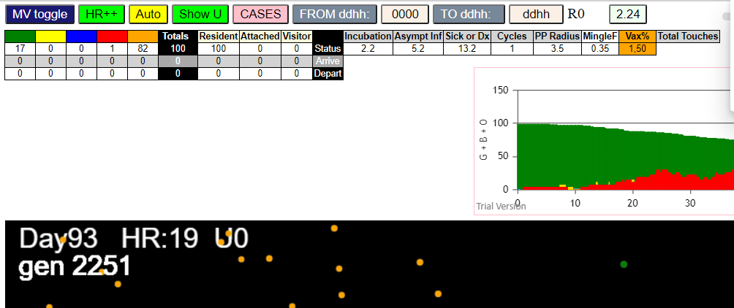

(98) [0, 1, 2, 3, 4, 5, 6, 7, 8, 9, 11, 12, 13, 14, 15, 16, 17, 18, 19, 20, 21, 22, 24, 25, 26, 27, 28, 29, 30, 31, 32, 33, 34, 35, 36, 37, 38, 39, 40, 41, 42, 43, 44, 45, 46, 47, 48, 49, 50, 51, 52, 53, 54, 55, 56, 57, 58, 59, 60, 61, 62, 63, 64, 65, 66, 67, 68, 69, 70, 71, 72, 73, 74, 75, 76, 77, 78, 79, 80, 81, 82, 83, 84, 85, 86, 87, 88, 89, 90, 91, 92, 93, 94, 95, 96, 97, 98, 99]
simulationRev2Vax.js:1712 Vaccination list = 49
simulationRev2Vax.js:1726 vaccinated 88,39,87,7,33,11,3,8,31,82,76,97,80,84,42,0,57,56,52,96,37,60,38,36,61,90,45,25,66,34,51,46,83,59,16,53,40,81,86,94,30,70,35,49,21,78,98,2,58
simulationRev2Vax.js:2133 2I j:famKey 74:-1 infected by red i:famKey 10:-1 at gen 25 in Univ0 prob=0.629
simulationRev2Vax.js:2133 3I j:famKey 15:-1 infected by red i:famKey 10:-1 at gen 33 in Univ0 prob=0.394
simulationRev2Vax.js:2133 4I j:famKey 93:-1 infected by red i:famKey 10:-1 at gen 38 in Univ0 prob=0.182
simulationRev2Vax.js:2133 5I j:famKey 63:-1 infected by red i:famKey 15:-1 at gen 225 in Univ0 prob=0.804
simulationRev2Vax.js:2133 6I j:famKey 55:-1 infected by red i:famKey 23:-1 at gen 257 in Univ0 prob=0.268
simulationRev2Vax.js:2150 7I i:famKey 18:-1 infected by red j:famKey 55:-1 at gen 412 in U0 prob=0.952
simulationRev2Vax.js:2150 8I i:famKey 19:-1 infected by red j:famKey 63:-1 at gen 462 in U0 prob=0.777
simulationRev2Vax.js:2150 9I i:famKey 2:-1 infected by red j:famKey 63:-1 at gen 487 in U0 prob=0.772

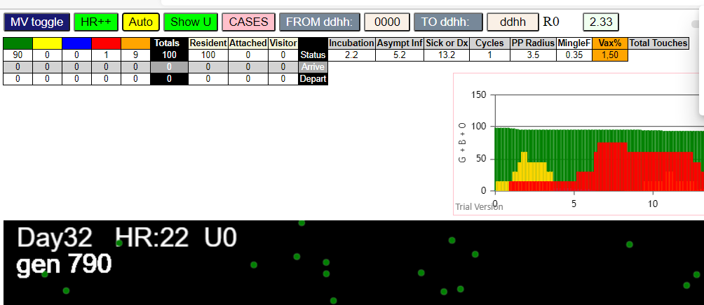

(99) [0, 1, 2, 3, 4, 5, 6, 7, 8, 9, 11, 12, 13, 14, 15, 16, 17, 18, 19, 20, 21, 22, 23, 24, 25, 26, 27, 28, 29, 30, 31, 32, 33, 34, 35, 36, 37, 38, 39, 40, 41, 42, 43, 44, 45, 46, 47, 48, 49, 50, 51, 52, 53, 54, 55, 56, 57, 58, 59, 60, 61, 62, 63, 64, 65, 66, 67, 68, 69, 70, 71, 72, 73, 74, 75, 76, 77, 78, 79, 80, 81, 82, 83, 84, 85, 86, 87, 88, 89, 90, 91, 92, 93, 94, 95, 96, 97, 98, 99]
simulationRev2Vax.js:1712 Vaccination list = 49
simulationRev2Vax.js:1726 vaccinated 4,54,13,25,95,35,2,16,76,66,97,42,41,26,94,1,85,84,12,52,40,6,5,36,17,11,46,19,51,83,58,53,28,29,67,86,61,7,75,47,38,14,32,43,71,48,62,50,70
simulationRev2Vax.js:2133 1I j:famKey 64:-1 infected by red i:famKey 10:-1 at gen 47 in Univ0 prob=0.894
simulationRev2Vax.js:2133 2I j:famKey 59:-1 infected by red i:famKey 10:-1 at gen 49 in Univ0 prob=0.273
simulationRev2Vax.js:2133 3I j:famKey 89:-1 infected by red i:famKey 10:-1 at gen 122 in Univ0 prob=0.669
simulationRev2Vax.js:2133 4I j:famKey 48:-1 infected by red i:famKey 10:-1 at gen 132 in Univ0 prob=0.751
simulationRev2Vax.js:2150 5I i:famKey 47:-1 infected by yellow j:famKey 89:-1 at gen 171 in U0 prob=0.203
simulationRev2Vax.js:2133 6I j:famKey 67:-1 infected by red i:famKey 59:-1 at gen 179 in Univ0 prob=0.312
simulationRev2Vax.js:2150 7I i:famKey 40:-1 infected by red j:famKey 59:-1 at gen 187 in U0 prob=0.952
simulationRev2Vax.js:2150 8I i:famKey 43:-1 infected by red j:famKey 59:-1 at gen 193 in U0 prob=0.638
simulationRev2Vax.js:2150 8I i:famKey 39:-1 infected by blue j:famKey 89:-1 at gen 194 in U0 prob=0.418
simulationRev2Vax.js:2150 10I i:famKey 14:-1 infected by blue j:famKey 48:-1 at gen 201 in U0 prob=0.436
simulationRev2Vax.js:2133 11I j:famKey 53:-1 infected by yellow i:famKey 39:-1 at gen 242 in Univ0 prob=0.681
simulationRev2Vax.js:2133 11I j:famKey 99:-1 infected by blue i:famKey 67:-1 at gen 243 in Univ0 prob=0.687
simulationRev2Vax.js:2133 13I j:famKey 63:-1 infected by red i:famKey 48:-1 at gen 259 in Univ0 prob=0.511
simulationRev2Vax.js:2150 14I i:famKey 33:-1 infected by red j:famKey 89:-1 at gen 261 in U0 prob=0.159
simulationRev2Vax.js:2150 15I i:famKey 26:-1 infected by red j:famKey 48:-1 at gen 278 in U0 prob=0.057
simulationRev2Vax.js:2150 16I i:famKey 28:-1 infected by blue j:famKey 53:-1 at gen 318 in U0 prob=0.087
simulationRev2Vax.js:2133 17I j:famKey 79:-1 infected by red i:famKey 40:-1 at gen 325 in Univ0 prob=0.233
simulationRev2Vax.js:2133 18I j:famKey 61:-1 infected by red i:famKey 14:-1 at gen 332 in Univ0 prob=0.610
simulationRev2Vax.js:2133 19I j:famKey 87:-1 infected by blue i:famKey 61:-1 at gen 440 in Univ0 prob=0.755
simulationRev2Vax.js:2150 20I i:famKey 13:-1 infected by red j:famKey 79:-1 at gen 453 in U0 prob=0.977

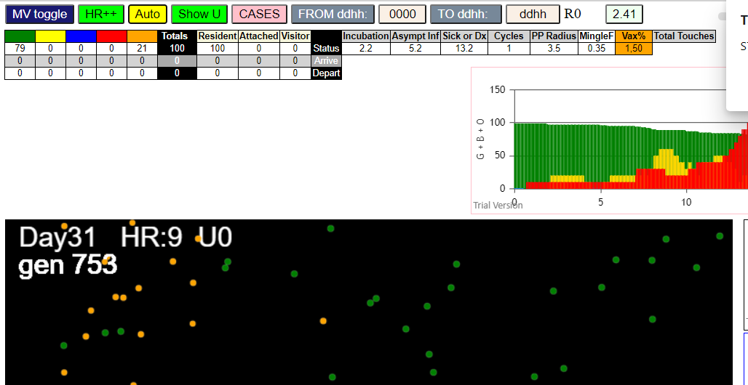

FIVE

simulationRev2Vax.js:4297 exit covidSim
simulationRev2Vax.js:23 getAsText File {name: "HundredAgentsU0.csv", lastModified: 1599797804000, lastModifiedDate: Thu Sep 10 2020 21:16:44 GMT-0700 (Pacific Daylight Time), webkitRelativePath: "", size: 2140, …}
simulationRev2Vax.js:32 File {name: "HundredAgentsU0.csv", lastModified: 1599797804000, lastModifiedDate: Thu Sep 10 2020 21:16:44 GMT-0700 (Pacific Daylight Time), webkitRelativePath: "", size: 2140, …}
simulationRev2Vax.js:23 getAsText File {name: "VL5.csv", lastModified: 1602824104000, lastModifiedDate: Thu Oct 15 2020 21:55:04 GMT-0700 (Pacific Daylight Time), webkitRelativePath: "", size: 144, …}
simulationRev2Vax.js:32 File {name: "VL5.csv", lastModified: 1602824104000, lastModifiedDate: Thu Oct 15 2020 21:55:04 GMT-0700 (Pacific Daylight Time), webkitRelativePath: "", size: 144, …}
simulationRev2Vax.js:2133 0I j:famKey 91:-1 infected by green i:famKey 14:-1 at gen 0 in Univ0 prob=0.626
simulationRev2Vax.js:1674 (100) [0, 1, 2, 3, 4, 5, 6, 7, 8, 9, 10, 11, 12, 13, 14, 15, 16, 17, 18, 19, 20, 21, 22, 23, 24, 25, 26, 27, 28, 29, 30, 31, 32, 33, 34, 35, 36, 37, 38, 39, 40, 41, 42, 43, 44, 45, 46, 47, 48, 49, 50, 51, 52, 53, 54, 55, 56, 57, 58, 59, 60, 61, 62, 63, 64, 65, 66, 67, 68, 69, 70, 71, 72, 73, 74, 75, 76, 77, 78, 79, 80, 81, 82, 83, 84, 85, 86, 87, 88, 89, 90, 91, 92, 93, 94, 95, 96, 97, 98, 99]
simulationRev2Vax.js:1684 (94) [0, 1, 2, 3, 4, 5, 6, 7, 8, 9, 15, 16, 17, 18, 19, 20, 21, 22, 23, 24, 25, 26, 27, 28, 29, 30, 31, 32, 33, 34, 35, 36, 37, 38, 39, 40, 41, 42, 43, 44, 45, 46, 47, 48, 49, 50, 51, 52, 53, 54, 55, 56, 57, 58, 59, 60, 61, 62, 63, 64, 65, 66, 67, 68, 69, 70, 71, 72, 73, 74, 75, 76, 77, 78, 79, 80, 81, 82, 83, 84, 85, 86, 87, 88, 89, 90, 92, 93, 94, 95, 96, 97, 98, 99]
simulationRev2Vax.js:1712 Vaccination list = 47
simulationRev2Vax.js:1726 vaccinated 63,19,64,37,79,67,0,16,62,31,87,80,61,52,75,38,18,44,8,81,47,20,96,95,5,34,76,69,84,39,1,25,27,65,66,43,3,23,30,40,71,55,4,57,22,73,35
simulationRev2Vax.js:2133 6I j:famKey 26:-1 infected by blue i:famKey 10:-1 at gen 4 in Univ0 prob=0.837
simulationRev2Vax.js:2133 6I j:famKey 35:-1 infected by red i:famKey 12:-1 at gen 4 in Univ0 prob=0.871
simulationRev2Vax.js:2133 8I j:famKey 74:-1 infected by blue i:famKey 10:-1 at gen 8 in Univ0 prob=0.659
simulationRev2Vax.js:2150 8I i:famKey 8:-1 infected by blue j:famKey 11:-1 at gen 9 in U0 prob=0.118
simulationRev2Vax.js:2133 10I j:famKey 59:-1 infected by red i:famKey 11:-1 at gen 16 in Univ0 prob=0.745
simulationRev2Vax.js:2133 11I j:famKey 62:-1 infected by red i:famKey 12:-1 at gen 18 in Univ0 prob=0.196
simulationRev2Vax.js:2133 12I j:famKey 46:-1 infected by red i:famKey 11:-1 at gen 24 in Univ0 prob=0.647
simulationRev2Vax.js:2133 12I j:famKey 63:-1 infected by red i:famKey 11:-1 at gen 24 in Univ0 prob=0.014
simulationRev2Vax.js:2133 14I j:famKey 77:-1 infected by red i:famKey 10:-1 at gen 28 in Univ0 prob=0.910
simulationRev2Vax.js:2133 15I j:famKey 96:-1 infected by red i:famKey 14:-1 at gen 32 in Univ0 prob=0.481
simulationRev2Vax.js:2133 16I j:famKey 70:-1 infected by red i:famKey 14:-1 at gen 48 in Univ0 prob=0.060
simulationRev2Vax.js:2133 17I j:famKey 55:-1 infected by blue i:famKey 26:-1 at gen 56 in Univ0 prob=0.087
simulationRev2Vax.js:2150 18I i:famKey 45:-1 infected by yellow j:famKey 77:-1 at gen 76 in U0 prob=0.381
simulationRev2Vax.js:2150 19I i:famKey 48:-1 infected by blue j:famKey 91:-1 at gen 79 in U0 prob=0.924
simulationRev2Vax.js:2133 20I j:famKey 30:-1 infected by blue i:famKey 8:-1 at gen 89 in Univ0 prob=0.591
simulationRev2Vax.js:2133 21I j:famKey 44:-1 infected by red i:famKey 11:-1 at gen 95 in Univ0 prob=0.155
simulationRev2Vax.js:2133 22I j:famKey 69:-1 infected by blue i:famKey 62:-1 at gen 99 in Univ0 prob=0.238
simulationRev2Vax.js:2150 23I i:famKey 1:-1 infected by yellow j:famKey 69:-1 at gen 104 in U0 prob=0.501
simulationRev2Vax.js:2150 24I i:famKey 56:-1 infected by blue j:famKey 91:-1 at gen 106 in U0 prob=0.225
simulationRev2Vax.js:2133 25I j:famKey 89:-1 infected by red i:famKey 10:-1 at gen 108 in Univ0 prob=0.886
simulationRev2Vax.js:2150 26I i:famKey 19:-1 infected by blue j:famKey 63:-1 at gen 114 in U0 prob=0.330
simulationRev2Vax.js:2133 27I j:famKey 39:-1 infected by red i:famKey 13:-1 at gen 116 in Univ0 prob=0.026
simulationRev2Vax.js:2150 28I i:famKey 52:-1 infected by blue j:famKey 63:-1 at gen 118 in U0 prob=0.881
simulationRev2Vax.js:2150 29I i:famKey 50:-1 infected by blue j:famKey 96:-1 at gen 121 in U0 prob=0.681
simulationRev2Vax.js:2133 29I j:famKey 57:-1 infected by yellow i:famKey 50:-1 at gen 122 in Univ0 prob=0.415
simulationRev2Vax.js:2133 31I j:famKey 16:-1 infected by red i:famKey 12:-1 at gen 134 in Univ0 prob=0.779
simulationRev2Vax.js:2150 32I i:famKey 29:-1 infected by red j:famKey 91:-1 at gen 136 in U0 prob=0.588
simulationRev2Vax.js:2133 32I j:famKey 83:-1 infected by red i:famKey 35:-1 at gen 136 in Univ0 prob=0.418
simulationRev2Vax.js:2150 34I i:famKey 4:-1 infected by blue j:famKey 96:-1 at gen 139 in U0 prob=0.991
simulationRev2Vax.js:2133 34I j:famKey 75:-1 infected by blue i:famKey 55:-1 at gen 139 in Univ0 prob=0.616
simulationRev2Vax.js:2133 34I j:famKey 82:-1 infected by red i:famKey 59:-1 at gen 139 in Univ0 prob=0.313
simulationRev2Vax.js:2133 37I j:famKey 73:-1 infected by yellow i:famKey 57:-1 at gen 149 in Univ0 prob=0.094
simulationRev2Vax.js:2150 38I i:famKey 24:-1 infected by red j:famKey 74:-1 at gen 153 in U0 prob=0.118
simulationRev2Vax.js:2150 39I i:famKey 7:-1 infected by blue j:famKey 56:-1 at gen 169 in U0 prob=0.255
simulationRev2Vax.js:2133 40I j:famKey 94:-1 infected by red i:famKey 26:-1 at gen 172 in Univ0 prob=0.768
simulationRev2Vax.js:2133 41I j:famKey 25:-1 infected by red i:famKey 11:-1 at gen 174 in Univ0 prob=0.204
simulationRev2Vax.js:2133 41I j:famKey 38:-1 infected by red i:famKey 26:-1 at gen 175 in Univ0 prob=0.958
simulationRev2Vax.js:2133 41I j:famKey 42:-1 infected by red i:famKey 26:-1 at gen 175 in Univ0 prob=0.510
simulationRev2Vax.js:2150 41I i:famKey 27:-1 infected by red j:famKey 62:-1 at gen 175 in U0 prob=0.885
simulationRev2Vax.js:2133 45I j:famKey 95:-1 infected by blue i:famKey 30:-1 at gen 183 in Univ0 prob=0.603
simulationRev2Vax.js:2150 45I i:famKey 37:-1 infected by red j:famKey 59:-1 at gen 184 in U0 prob=0.394
simulationRev2Vax.js:2150 47I i:famKey 49:-1 infected by red j:famKey 70:-1 at gen 187 in U0 prob=0.012
simulationRev2Vax.js:2133 48I j:famKey 92:-1 infected by blue i:famKey 56:-1 at gen 191 in Univ0 prob=0.577
simulationRev2Vax.js:2133 48I j:famKey 68:-1 infected by red i:famKey 62:-1 at gen 192 in Univ0 prob=0.415
simulationRev2Vax.js:2150 50I i:famKey 53:-1 infected by red j:famKey 55:-1 at gen 198 in U0 prob=0.297
simulationRev2Vax.js:2150 51I i:famKey 9:-1 infected by red j:famKey 45:-1 at gen 202 in U0 prob=0.410
simulationRev2Vax.js:2133 52I j:famKey 85:-1 infected by yellow i:famKey 42:-1 at gen 209 in Univ0 prob=0.223
simulationRev2Vax.js:2150 52I i:famKey 3:-1 infected by yellow j:famKey 42:-1 at gen 210 in U0 prob=0.584
simulationRev2Vax.js:2150 53I i:famKey 54:-1 infected by red j:famKey 74:-1 at gen 211 in U0 prob=0.231
simulationRev2Vax.js:2150 55I i:famKey 78:-1 infected by red j:famKey 89:-1 at gen 241 in U0 prob=0.421
simulationRev2Vax.js:2150 56I i:famKey 2:-1 infected by red j:famKey 77:-1 at gen 249 in U0 prob=0.232
simulationRev2Vax.js:2133 57I j:famKey 64:-1 infected by red i:famKey 19:-1 at gen 252 in Univ0 prob=0.676
simulationRev2Vax.js:2150 57I i:famKey 23:-1 infected by red j:famKey 56:-1 at gen 253 in U0 prob=0.107
simulationRev2Vax.js:2133 58I j:famKey 98:-1 infected by yellow i:famKey 2:-1 at gen 254 in Univ0 prob=0.715
simulationRev2Vax.js:2133 60I j:famKey 80:-1 infected by red i:famKey 70:-1 at gen 262 in Univ0 prob=0.979
simulationRev2Vax.js:2150 61I i:famKey 65:-1 infected by red j:famKey 70:-1 at gen 265 in U0 prob=0.941
simulationRev2Vax.js:2133 62I j:famKey 32:-1 infected by blue i:famKey 25:-1 at gen 267 in Univ0 prob=0.413
simulationRev2Vax.js:2133 63I j:famKey 76:-1 infected by blue i:famKey 27:-1 at gen 284 in Univ0 prob=0.424
simulationRev2Vax.js:2150 64I i:famKey 41:-1 infected by red j:famKey 62:-1 at gen 291 in U0 prob=0.403
simulationRev2Vax.js:2150 65I i:famKey 22:-1 infected by red j:famKey 56:-1 at gen 296 in U0 prob=0.975
simulationRev2Vax.js:2150 66I i:famKey 5:-1 infected by red j:famKey 25:-1 at gen 299 in U0 prob=0.051
simulationRev2Vax.js:2150 67I i:famKey 67:-1 infected by red j:famKey 75:-1 at gen 301 in U0 prob=0.653
simulationRev2Vax.js:2133 68I j:famKey 51:-1 infected by red i:famKey 19:-1 at gen 304 in Univ0 prob=0.475
simulationRev2Vax.js:2133 69I j:famKey 17:-1 infected by red i:famKey 1:-1 at gen 325 in Univ0 prob=0.449
simulationRev2Vax.js:2133 70I j:famKey 71:-1 infected by red i:famKey 53:-1 at gen 327 in Univ0 prob=0.153
simulationRev2Vax.js:2150 71I i:famKey 66:-1 infected by red j:famKey 75:-1 at gen 366 in U0 prob=0.783
simulationRev2Vax.js:2133 72I j:famKey 60:-1 infected by red i:famKey 52:-1 at gen 373 in Univ0 prob=0.899
simulationRev2Vax.js:2133 73I j:famKey 93:-1 infected by red i:famKey 42:-1 at gen 382 in Univ0 prob=0.856
simulationRev2Vax.js:2133 74I j:famKey 79:-1 infected by red i:famKey 42:-1 at gen 385 in Univ0 prob=0.851
simulationRev2Vax.js:2150 75I i:famKey 40:-1 infected by blue j:famKey 41:-1 at gen 394 in U0 prob=0.843
simulationRev2Vax.js:2133 76I j:famKey 81:-1 infected by red i:famKey 29:-1 at gen 419 in Univ0 prob=0.977
simulationRev2Vax.js:2133 77I j:famKey 97:-1 infected by red i:famKey 41:-1 at gen 429 in Univ0 prob=0.846
simulationRev2Vax.js:2133 78I j:famKey 72:-1 infected by red i:famKey 51:-1 at gen 589 in Univ0 prob=0.806
simulationRev2Vax.js:2150 79I i:famKey 21:-1 infected by red j:famKey 40:-1 at gen 651 in U0 prob=0.875
simulationRev2Vax.js:2133 80I j:famKey 86:-1 infected by red i:famKey 21:-1 at gen 883 in Univ0 prob=0.806

mode2
File {name: "VL1.csv", lastModified: 1603760180000, lastModifiedDate: Mon Oct 26 2020 17:56:20 GMT-0700 (Pacific Daylight Time), webkitRelativePath: "", size: 66, …}
simulationRev2Vax.js:1674 (100) [0, 1, 2, 3, 4, 5, 6, 7, 8, 9, 10, 11, 12, 13, 14, 15, 16, 17, 18, 19, 20, 21, 22, 23, 24, 25, 26, 27, 28, 29, 30, 31, 32, 33, 34, 35, 36, 37, 38, 39, 40, 41, 42, 43, 44, 45, 46, 47, 48, 49, 50, 51, 52, 53, 54, 55, 56, 57, 58, 59, 60, 61, 62, 63, 64, 65, 66, 67, 68, 69, 70, 71, 72, 73, 74, 75, 76, 77, 78, 79, 80, 81, 82, 83, 84, 85, 86, 87, 88, 89, 90, 91, 92, 93, 94, 95, 96, 97, 98, 99]
simulationRev2Vax.js:1684 (99) [0, 1, 2, 3, 4, 5, 6, 7, 8, 9, 11, 12, 13, 14, 15, 16, 17, 18, 19, 20, 21, 22, 23, 24, 25, 26, 27, 28, 29, 30, 31, 32, 33, 34, 35, 36, 37, 38, 39, 40, 41, 42, 43, 44, 45, 46, 47, 48, 49, 50, 51, 52, 53, 54, 55, 56, 57, 58, 59, 60, 61, 62, 63, 64, 65, 66, 67, 68, 69, 70, 71, 72, 73, 74, 75, 76, 77, 78, 79, 80, 81, 82, 83, 84, 85, 86, 87, 88, 89, 90, 91, 92, 93, 94, 95, 96, 97, 98, 99]
simulationRev2Vax.js:1712 Vaccination list = 24
simulationRev2Vax.js:1726 vaccinated 71,85,33,26,2,93,54,95,21,7,73,45,78,0,77,1,13,42,17,90,87,3,69,59
simulationRev2Vax.js:2133 1I j:famKey 86:-1 infected by red i:famKey 10:-1 at gen 54 in Univ0 prob=0.432
simulationRev2Vax.js:2133 2I j:famKey 97:-1 infected by red i:famKey 10:-1 at gen 126 in Univ0 prob=0.911
simulationRev2Vax.js:2133 3I j:famKey 45:-1 infected by red i:famKey 10:-1 at gen 147 in Univ0 prob=0.893
simulationRev2Vax.js:2150 4I i:famKey 9:-1 infected by blue j:famKey 97:-1 at gen 201 in U0 prob=0.136
simulationRev2Vax.js:2150 5I i:famKey 71:-1 infected by red j:famKey 97:-1 at gen 299 in U0 prob=0.790
simulationRev2Vax.js:2133 6I j:famKey 67:-1 infected by red i:famKey 45:-1 at gen 329 in Univ0 prob=0.985
simulationRev2Vax.js:2133 7I j:famKey 91:-1 infected by blue i:famKey 71:-1 at gen 420 in Univ0 prob=0.941

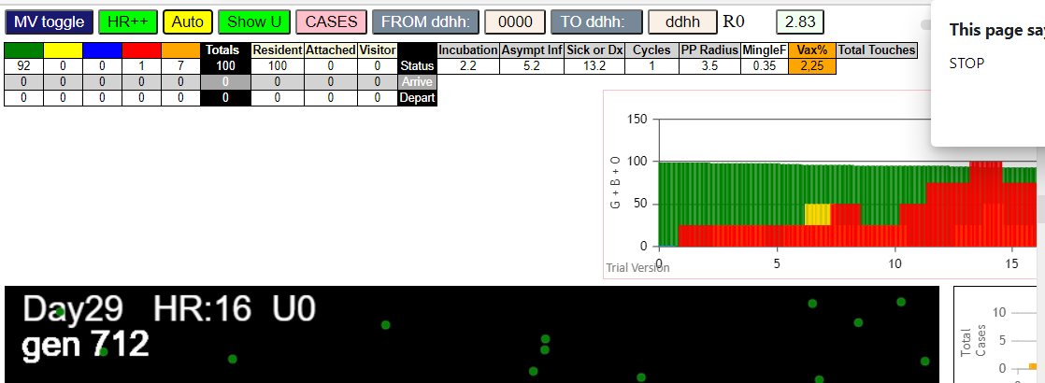

(99) [0, 1, 2, 3, 4, 5, 6, 7, 8, 9, 11, 12, 13, 14, 15, 16, 17, 18, 19, 20, 21, 22, 23, 24, 25, 26, 27, 28, 29, 30, 31, 32, 33, 34, 35, 36, 37, 38, 39, 40, 41, 42, 43, 44, 45, 46, 47, 48, 49, 50, 51, 52, 53, 54, 55, 56, 57, 58, 59, 60, 61, 62, 63, 64, 65, 66, 67, 68, 69, 70, 71, 72, 73, 74, 75, 76, 77, 78, 79, 80, 81, 82, 83, 84, 85, 86, 87, 88, 89, 90, 91, 92, 93, 94, 95, 96, 97, 98, 99]
simulationRev2Vax.js:1712 Vaccination list = 24
simulationRev2Vax.js:1726 vaccinated 55,19,69,33,30,87,16,13,66,36,3,28,6,5,63,18,7,68,93,90,48,31,27,96
simulationRev2Vax.js:2133 1I j:famKey 64:-1 infected by red i:famKey 10:-1 at gen 133 in Univ0 prob=0.669

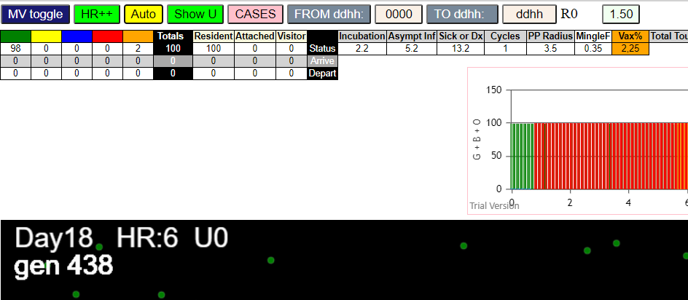

simulationRev2Vax.js:4297 exit covidSim
simulationRev2Vax.js:23 getAsText File {name: "HundredAgentsU0.csv", lastModified: 1599797804000, lastModifiedDate: Thu Sep 10 2020 21:16:44 GMT-0700 (Pacific Daylight Time), webkitRelativePath: "", size: 2140, …}
simulationRev2Vax.js:32 File {name: "HundredAgentsU0.csv", lastModified: 1599797804000, lastModifiedDate: Thu Sep 10 2020 21:16:44 GMT-0700 (Pacific Daylight Time), webkitRelativePath: "", size: 2140, …}
simulationRev2Vax.js:23 getAsText File {name: "VL1.csv", lastModified: 1603760180000, lastModifiedDate: Mon Oct 26 2020 17:56:20 GMT-0700 (Pacific Daylight Time), webkitRelativePath: "", size: 66, …}
simulationRev2Vax.js:32 File {name: "VL1.csv", lastModified: 1603760180000, lastModifiedDate: Mon Oct 26 2020 17:56:20 GMT-0700 (Pacific Daylight Time), webkitRelativePath: "", size: 66, …}
simulationRev2Vax.js:2133 0I j:famKey 31:-1 infected by green i:famKey 10:-1 at gen 0 in Univ0 prob=0.641
simulationRev2Vax.js:1674 (100) [0, 1, 2, 3, 4, 5, 6, 7, 8, 9, 10, 11, 12, 13, 14, 15, 16, 17, 18, 19, 20, 21, 22, 23, 24, 25, 26, 27, 28, 29, 30, 31, 32, 33, 34, 35, 36, 37, 38, 39, 40, 41, 42, 43, 44, 45, 46, 47, 48, 49, 50, 51, 52, 53, 54, 55, 56, 57, 58, 59, 60, 61, 62, 63, 64, 65, 66, 67, 68, 69, 70, 71, 72, 73, 74, 75, 76, 77, 78, 79, 80, 81, 82, 83, 84, 85, 86, 87, 88, 89, 90, 91, 92, 93, 94, 95, 96, 97, 98, 99]
simulationRev2Vax.js:1684 (98) [0, 1, 2, 3, 4, 5, 6, 7, 8, 9, 11, 12, 13, 14, 15, 16, 17, 18, 19, 20, 21, 22, 23, 24, 25, 26, 27, 28, 29, 30, 32, 33, 34, 35, 36, 37, 38, 39, 40, 41, 42, 43, 44, 45, 46, 47, 48, 49, 50, 51, 52, 53, 54, 55, 56, 57, 58, 59, 60, 61, 62, 63, 64, 65, 66, 67, 68, 69, 70, 71, 72, 73, 74, 75, 76, 77, 78, 79, 80, 81, 82, 83, 84, 85, 86, 87, 88, 89, 90, 91, 92, 93, 94, 95, 96, 97, 98, 99]
simulationRev2Vax.js:1712 Vaccination list = 24
simulationRev2Vax.js:1726 vaccinated 73,95,83,20,60,9,78,12,87,45,72,18,24,1,54,49,46,15,2,51,42,16,36,3
simulationRev2Vax.js:2133 2I j:famKey 38:-1 infected by red i:famKey 10:-1 at gen 81 in Univ0 prob=0.595
simulationRev2Vax.js:2133 3I j:famKey 86:-1 infected by red i:famKey 31:-1 at gen 147 in Univ0 prob=0.828
simulationRev2Vax.js:2150 4I i:famKey 1:-1 infected by red j:famKey 31:-1 at gen 168 in U0 prob=0.776
simulationRev2Vax.js:2133 4I j:famKey 33:-1 infected by red i:famKey 31:-1 at gen 168 in Univ0 prob=0.294
simulationRev2Vax.js:2150 6I i:famKey 5:-1 infected by red j:famKey 31:-1 at gen 214 in U0 prob=0.982
simulationRev2Vax.js:2150 7I i:famKey 19:-1 infected by blue j:famKey 86:-1 at gen 221 in U0 prob=0.979
simulationRev2Vax.js:2133 8I j:famKey 93:-1 infected by blue i:famKey 1:-1 at gen 252 in Univ0 prob=0.454
simulationRev2Vax.js:2150 9I i:famKey 2:-1 infected by yellow j:famKey 93:-1 at gen 255 in U0 prob=0.757
simulationRev2Vax.js:2133 10I j:famKey 91:-1 infected by blue i:famKey 1:-1 at gen 258 in Univ0 prob=0.019
simulationRev2Vax.js:2133 11I j:famKey 61:-1 infected by blue i:famKey 5:-1 at gen 268 in Univ0 prob=0.431
simulationRev2Vax.js:2133 11I j:famKey 82:-1 infected by blue i:famKey 33:-1 at gen 268 in Univ0 prob=0.519
simulationRev2Vax.js:2150 13I i:famKey 13:-1 infected by red j:famKey 86:-1 at gen 273 in U0 prob=0.305
simulationRev2Vax.js:2133 13I j:famKey 70:-1 infected by yellow i:famKey 19:-1 at gen 273 in Univ0 prob=0.551
simulationRev2Vax.js:2150 15I i:famKey 39:-1 infected by red j:famKey 86:-1 at gen 318 in U0 prob=0.719
simulationRev2Vax.js:2133 15I j:famKey 98:-1 infected by blue i:famKey 19:-1 at gen 319 in Univ0 prob=0.683
simulationRev2Vax.js:2150 15I i:famKey 21:-1 infected by red j:famKey 38:-1 at gen 319 in U0 prob=0.760
simulationRev2Vax.js:2150 18I i:famKey 44:-1 infected by blue j:famKey 91:-1 at gen 335 in U0 prob=0.413
simulationRev2Vax.js:2150 19I i:famKey 41:-1 infected by blue j:famKey 82:-1 at gen 344 in U0 prob=0.753
simulationRev2Vax.js:2150 20I i:famKey 45:-1 infected by blue j:famKey 82:-1 at gen 346 in U0 prob=0.758
simulationRev2Vax.js:2150 21I i:famKey 32:-1 infected by blue j:famKey 70:-1 at gen 350 in U0 prob=0.764
simulationRev2Vax.js:2150 22I i:famKey 20:-1 infected by red j:famKey 38:-1 at gen 365 in U0 prob=0.802
simulationRev2Vax.js:2133 23I j:famKey 99:-1 infected by red i:famKey 13:-1 at gen 405 in Univ0 prob=0.877
simulationRev2Vax.js:2150 24I i:famKey 54:-1 infected by red j:famKey 93:-1 at gen 416 in U0 prob=0.888
simulationRev2Vax.js:2133 25I j:famKey 71:-1 infected by red i:famKey 19:-1 at gen 430 in Univ0 prob=0.755
simulationRev2Vax.js:2133 26I j:famKey 50:-1 infected by red i:famKey 45:-1 at gen 468 in Univ0 prob=0.770
simulationRev2Vax.js:2133 27I j:famKey 73:-1 infected by red i:famKey 2:-1 at gen 480 in Univ0 prob=0.896
simulationRev2Vax.js:2133 28I j:famKey 96:-1 infected by red i:famKey 13:-1 at gen 489 in Univ0 prob=0.823
simulationRev2Vax.js:2150 29I i:famKey 85:-1 infected by red j:famKey 93:-1 at gen 500 in U0 prob=0.788
simulationRev2Vax.js:2133 30I j:famKey 68:-1 infected by red i:famKey 41:-1 at gen 517 in Univ0 prob=0.915
simulationRev2Vax.js:2150 31I i:famKey 23:-1 infected by red j:famKey 32:-1 at gen 520 in U0 prob=0.850
simulationRev2Vax.js:2133 32I j:famKey 89:-1 infected by red i:famKey 2:-1 at gen 522 in Univ0 prob=0.762
simulationRev2Vax.js:2133 33I j:famKey 90:-1 infected by red i:famKey 32:-1 at gen 542 in Univ0 prob=0.769
simulationRev2Vax.js:2133 34I j:famKey 63:-1 infected by red i:famKey 45:-1 at gen 546 in Univ0 prob=0.897
simulationRev2Vax.js:2133 35I j:famKey 78:-1 infected by red i:famKey 70:-1 at gen 559 in Univ0 prob=0.821
simulationRev2Vax.js:2133 36I j:famKey 67:-1 infected by red i:famKey 32:-1 at gen 563 in Univ0 prob=0.936
simulationRev2Vax.js:2133 37I j:famKey 83:-1 infected by red i:famKey 32:-1 at gen 575 in Univ0 prob=0.780
simulationRev2Vax.js:2133 38I j:famKey 48:-1 infected by red i:famKey 20:-1 at gen 597 in Univ0 prob=0.834
simulationRev2Vax.js:2133 39I j:famKey 75:-1 infected by red i:famKey 50:-1 at gen 618 in Univ0 prob=0.949
simulationRev2Vax.js:2150 40I i:famKey 52:-1 infected by red j:famKey 96:-1 at gen 643 in U0 prob=0.930
simulationRev2Vax.js:2133 41I j:famKey 51:-1 infected by red i:famKey 50:-1 at gen 676 in Univ0 prob=0.064
simulationRev2Vax.js:2150 41I i:famKey 24:-1 infected by blue j:famKey 48:-1 at gen 677 in U0 prob=0.385
simulationRev2Vax.js:2150 43I i:famKey 46:-1 infected by red j:famKey 78:-1 at gen 688 in U0 prob=0.260
simulationRev2Vax.js:2133 44I j:famKey 84:-1 infected by blue i:famKey 48:-1 at gen 714 in Univ0 prob=0.952

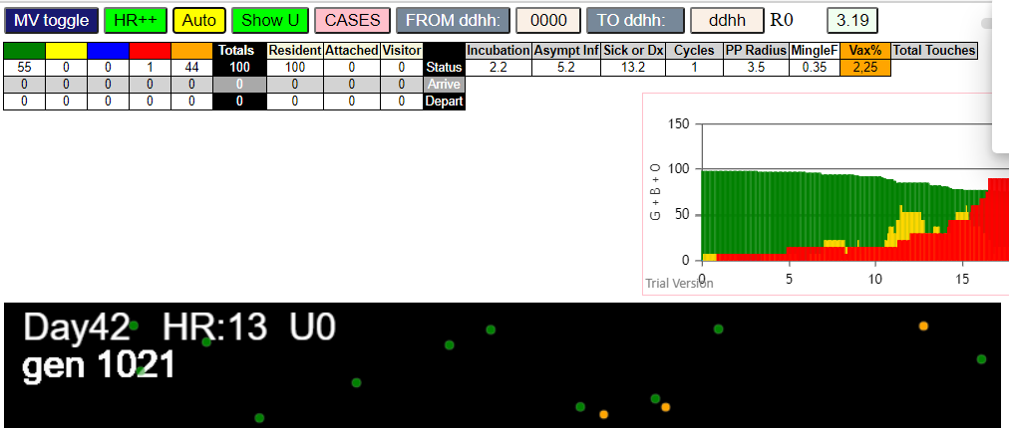

(99) [0, 1, 2, 3, 4, 5, 6, 7, 8, 9, 11, 12, 13, 14, 15, 16, 17, 18, 19, 20, 21, 22, 23, 24, 25, 26, 27, 28, 29, 30, 31, 32, 33, 34, 35, 36, 37, 38, 39, 40, 41, 42, 43, 44, 45, 46, 47, 48, 49, 50, 51, 52, 53, 54, 55, 56, 57, 58, 59, 60, 61, 62, 63, 64, 65, 66, 67, 68, 69, 70, 71, 72, 73, 74, 75, 76, 77, 78, 79, 80, 81, 82, 83, 84, 85, 86, 87, 88, 89, 90, 91, 92, 93, 94, 95, 96, 97, 98, 99]
simulationRev2Vax.js:1712 Vaccination list = 24
simulationRev2Vax.js:1726 vaccinated 47,75,85,30,90,76,40,4,3,81,48,96,49,36,56,83,29,87,35,91,9,74,68,23
simulationRev2Vax.js:2133 1I j:famKey 56:-1 infected by red i:famKey 10:-1 at gen 73 in Univ0 prob=0.197
simulationRev2Vax.js:2133 2I j:famKey 87:-1 infected by blue i:famKey 56:-1 at gen 185 in Univ0 prob=0.459
simulationRev2Vax.js:2133 3I j:famKey 72:-1 infected by red i:famKey 56:-1 at gen 249 in Univ0 prob=0.455
simulationRev2Vax.js:2150 4I i:famKey 40:-1 infected by blue j:famKey 87:-1 at gen 291 in U0 prob=0.700
simulationRev2Vax.js:2150 5I i:famKey 0:-1 infected by blue j:famKey 87:-1 at gen 300 in U0 prob=0.031
simulationRev2Vax.js:2133 6I j:famKey 82:-1 infected by blue i:famKey 72:-1 at gen 329 in Univ0 prob=0.429
simulationRev2Vax.js:2133 7I j:famKey 11:-1 infected by blue i:famKey 0:-1 at gen 373 in Univ0 prob=0.817
simulationRev2Vax.js:2133 8I j:famKey 53:-1 infected by blue i:famKey 0:-1 at gen 385 in Univ0 prob=0.870
simulationRev2Vax.js:2150 9I i:famKey 25:-1 infected by blue j:famKey 53:-1 at gen 474 in U0 prob=0.846
simulationRev2Vax.js:2133 10I j:famKey 97:-1 infected by red i:famKey 53:-1 at gen 509 in Univ0 prob=0.857
simulationRev2Vax.js:2150 11I i:famKey 31:-1 infected by red j:famKey 53:-1 at gen 539 in U0 prob=0.856

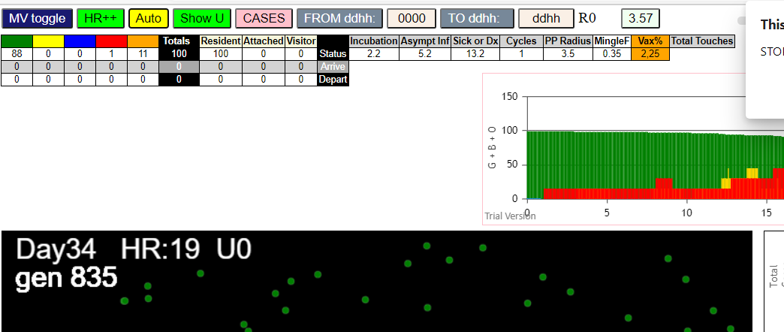

(99) [0, 1, 2, 3, 4, 5, 6, 7, 8, 9, 11, 12, 13, 14, 15, 16, 17, 18, 19, 20, 21, 22, 23, 24, 25, 26, 27, 28, 29, 30, 31, 32, 33, 34, 35, 36, 37, 38, 39, 40, 41, 42, 43, 44, 45, 46, 47, 48, 49, 50, 51, 52, 53, 54, 55, 56, 57, 58, 59, 60, 61, 62, 63, 64, 65, 66, 67, 68, 69, 70, 71, 72, 73, 74, 75, 76, 77, 78, 79, 80, 81, 82, 83, 84, 85, 86, 87, 88, 89, 90, 91, 92, 93, 94, 95, 96, 97, 98, 99]
simulationRev2Vax.js:1712 Vaccination list = 24
simulationRev2Vax.js:1726 vaccinated 99,79,96,67,72,63,89,59,4,93,40,19,42,32,0,47,71,83,31,22,46,56,75,77
simulationRev2Vax.js:2133 1I j:famKey 89:-1 infected by red i:famKey 10:-1 at gen 27 in Univ0 prob=0.827
simulationRev2Vax.js:2133 2I j:famKey 20:-1 infected by red i:famKey 10:-1 at gen 37 in Univ0 prob=0.198
simulationRev2Vax.js:2133 3I j:famKey 11:-1 infected by red i:famKey 10:-1 at gen 134 in Univ0 prob=0.117
simulationRev2Vax.js:2133 4I j:famKey 21:-1 infected by blue i:famKey 11:-1 at gen 236 in Univ0 prob=0.221
simulationRev2Vax.js:2133 5I j:famKey 70:-1 infected by red i:famKey 20:-1 at gen 258 in Univ0 prob=0.423
simulationRev2Vax.js:2150 6I i:famKey 1:-1 infected by red j:famKey 89:-1 at gen 276 in U0 prob=0.206
simulationRev2Vax.js:2150 7I i:famKey 7:-1 infected by red j:famKey 89:-1 at gen 279 in U0 prob=0.215
simulationRev2Vax.js:2133 8I j:famKey 30:-1 infected by red i:famKey 7:-1 at gen 458 in Univ0 prob=0.828
simulationRev2Vax.js:2133 9I j:famKey 79:-1 infected by red i:famKey 70:-1 at gen 484 in Univ0 prob=0.939
simulationRev2Vax.js:2150 10I i:famKey 13:-1 infected by blue j:famKey 30:-1 at gen 562 in U0 prob=0.994
simulationRev2Vax.js:2133 11I j:famKey 80:-1 infected by blue i:famKey 13:-1 at gen 636 in Univ0 prob=0.986
simulationRev2Vax.js:2133 12I j:famKey 50:-1 infected by blue i:famKey 13:-1 at gen 657 in Univ0 prob=0.886

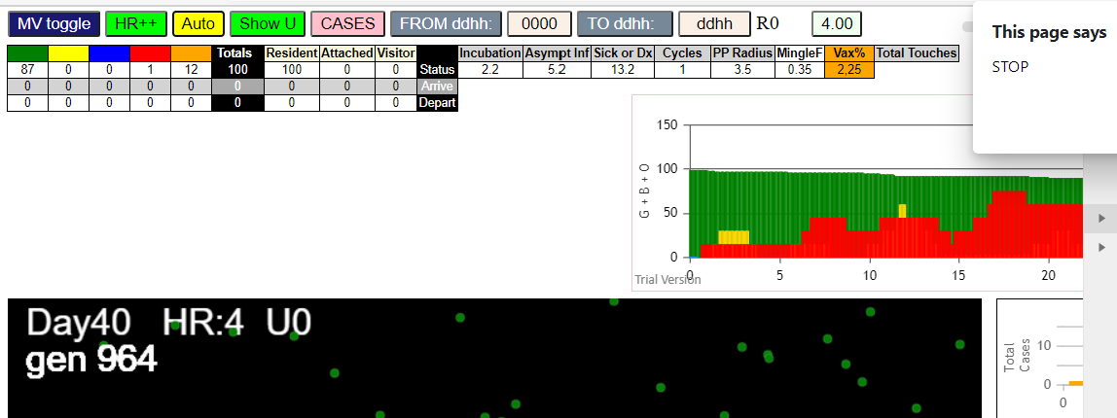

TRY FIVE INITIAL TRANSMITTERS

simulationRev2Vax.js:4297 exit covidSim
simulationRev2Vax.js:23 getAsText File {name: "HundredAgentsU0.csv", lastModified: 1599797804000, lastModifiedDate: Thu Sep 10 2020 21:16:44 GMT-0700 (Pacific Daylight Time), webkitRelativePath: "", size: 2140, …}
simulationRev2Vax.js:32 File {name: "HundredAgentsU0.csv", lastModified: 1599797804000, lastModifiedDate: Thu Sep 10 2020 21:16:44 GMT-0700 (Pacific Daylight Time), webkitRelativePath: "", size: 2140, …}
simulationRev2Vax.js:23 getAsText File {name: "VL5.csv", lastModified: 1602824104000, lastModifiedDate: Thu Oct 15 2020 21:55:04 GMT-0700 (Pacific Daylight Time), webkitRelativePath: "", size: 144, …}
simulationRev2Vax.js:32 File {name: "VL5.csv", lastModified: 1602824104000, lastModifiedDate: Thu Oct 15 2020 21:55:04 GMT-0700 (Pacific Daylight Time), webkitRelativePath: "", size: 144, …}
simulationRev2Vax.js:1674 (100) [0, 1, 2, 3, 4, 5, 6, 7, 8, 9, 10, 11, 12, 13, 14, 15, 16, 17, 18, 19, 20, 21, 22, 23, 24, 25, 26, 27, 28, 29, 30, 31, 32, 33, 34, 35, 36, 37, 38, 39, 40, 41, 42, 43, 44, 45, 46, 47, 48, 49, 50, 51, 52, 53, 54, 55, 56, 57, 58, 59, 60, 61, 62, 63, 64, 65, 66, 67, 68, 69, 70, 71, 72, 73, 74, 75, 76, 77, 78, 79, 80, 81, 82, 83, 84, 85, 86, 87, 88, 89, 90, 91, 92, 93, 94, 95, 96, 97, 98, 99]
simulationRev2Vax.js:1684 (95) [0, 1, 2, 3, 4, 5, 6, 7, 8, 9, 15, 16, 17, 18, 19, 20, 21, 22, 23, 24, 25, 26, 27, 28, 29, 30, 31, 32, 33, 34, 35, 36, 37, 38, 39, 40, 41, 42, 43, 44, 45, 46, 47, 48, 49, 50, 51, 52, 53, 54, 55, 56, 57, 58, 59, 60, 61, 62, 63, 64, 65, 66, 67, 68, 69, 70, 71, 72, 73, 74, 75, 76, 77, 78, 79, 80, 81, 82, 83, 84, 85, 86, 87, 88, 89, 90, 91, 92, 93, 94, 95, 96, 97, 98, 99]
simulationRev2Vax.js:1712 Vaccination list = 23
simulationRev2Vax.js:1726 vaccinated 61,52,3,4,2,69,79,40,32,92,86,91,37,82,25,1,76,46,30,18,47,95,43
simulationRev2Vax.js:2133 5I j:famKey 27:-1 infected by red i:famKey 13:-1 at gen 9 in Univ0 prob=0.563
simulationRev2Vax.js:2133 6I j:famKey 52:-1 infected by red i:famKey 14:-1 at gen 31 in Univ0 prob=0.641
simulationRev2Vax.js:2133 7I j:famKey 95:-1 infected by red i:famKey 14:-1 at gen 53 in Univ0 prob=0.076
simulationRev2Vax.js:2133 8I j:famKey 42:-1 infected by red i:famKey 13:-1 at gen 59 in Univ0 prob=0.751
simulationRev2Vax.js:2150 9I i:famKey 7:-1 infected by red j:famKey 11:-1 at gen 68 in U0 prob=0.680
simulationRev2Vax.js:2150 10I i:famKey 86:-1 infected by blue j:famKey 95:-1 at gen 128 in U0 prob=0.797
simulationRev2Vax.js:2133 11I j:famKey 34:-1 infected by red i:famKey 10:-1 at gen 146 in Univ0 prob=0.258
simulationRev2Vax.js:2133 12I j:famKey 45:-1 infected by blue i:famKey 7:-1 at gen 161 in Univ0 prob=0.042
simulationRev2Vax.js:2150 13I i:famKey 0:-1 infected by blue j:famKey 42:-1 at gen 173 in U0 prob=0.769
simulationRev2Vax.js:2150 14I i:famKey 1:-1 infected by red j:famKey 7:-1 at gen 209 in U0 prob=0.175
simulationRev2Vax.js:2150 15I i:famKey 69:-1 infected by blue j:famKey 86:-1 at gen 220 in U0 prob=0.975
simulationRev2Vax.js:2133 16I j:famKey 70:-1 infected by blue i:famKey 0:-1 at gen 235 in Univ0 prob=0.159
simulationRev2Vax.js:2150 17I i:famKey 35:-1 infected by red j:famKey 95:-1 at gen 260 in U0 prob=0.160
simulationRev2Vax.js:2133 18I j:famKey 32:-1 infected by red i:famKey 7:-1 at gen 265 in Univ0 prob=0.478
simulationRev2Vax.js:2150 19I i:famKey 26:-1 infected by yellow j:famKey 69:-1 at gen 270 in U0 prob=0.463
simulationRev2Vax.js:2150 20I i:famKey 23:-1 infected by red j:famKey 34:-1 at gen 278 in U0 prob=0.581
simulationRev2Vax.js:2133 21I j:famKey 78:-1 infected by blue i:famKey 69:-1 at gen 295 in Univ0 prob=0.496
simulationRev2Vax.js:2150 22I i:famKey 82:-1 infected by red j:famKey 86:-1 at gen 324 in U0 prob=0.761
simulationRev2Vax.js:2133 23I j:famKey 99:-1 infected by blue i:famKey 35:-1 at gen 363 in Univ0 prob=0.897
simulationRev2Vax.js:2133 24I j:famKey 88:-1 infected by red i:famKey 86:-1 at gen 395 in Univ0 prob=0.840
simulationRev2Vax.js:2133 25I j:famKey 36:-1 infected by red i:famKey 26:-1 at gen 420 in Univ0 prob=0.842
simulationRev2Vax.js:2150 26I i:famKey 40:-1 infected by red j:famKey 69:-1 at gen 469 in U0 prob=0.854
simulationRev2Vax.js:2150 27I i:famKey 51:-1 infected by blue j:famKey 99:-1 at gen 473 in U0 prob=0.818
simulationRev2Vax.js:2150 28I i:famKey 25:-1 infected by blue j:famKey 36:-1 at gen 494 in U0 prob=0.971
simulationRev2Vax.js:2133 29I j:famKey 73:-1 infected by red i:famKey 26:-1 at gen 544 in Univ0 prob=0.769
simulationRev2Vax.js:2150 29I i:famKey 3:-1 infected by red j:famKey 23:-1 at gen 545 in U0 prob=0.816
simulationRev2Vax.js:2133 31I j:famKey 44:-1 infected by blue i:famKey 25:-1 at gen 568 in Univ0 prob=0.829
simulationRev2Vax.js:2133 32I j:famKey 29:-1 infected by blue i:famKey 25:-1 at gen 585 in Univ0 prob=0.932
simulationRev2Vax.js:2133 33I j:famKey 85:-1 infected by red i:famKey 40:-1 at gen 607 in Univ0 prob=0.775
simulationRev2Vax.js:2150 34I i:famKey 6:-1 infected by blue j:famKey 44:-1 at gen 672 in U0 prob=0.779
simulationRev2Vax.js:2133 35I j:famKey 68:-1 infected by red i:famKey 36:-1 at gen 684 in Univ0 prob=0.033
simulationRev2Vax.js:2133 36I j:famKey 97:-1 infected by red i:famKey 29:-1 at gen 794 in Univ0 prob=0.980
simulationRev2Vax.js:2133 37I j:famKey 72:-1 infected by red i:famKey 44:-1 at gen 836 in Univ0 prob=0.983
simulationRev2Vax.js:2150 38I i:famKey 20:-1 infected by red j:famKey 72:-1 at gen 1116 in U0 prob=0.969

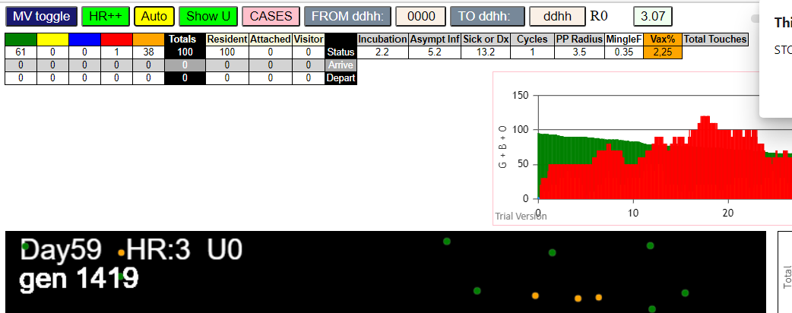

simulationRev2Vax.js:4297 exit covidSim
simulationRev2Vax.js:23 getAsText File {name: "HundredAgentsU0.csv", lastModified: 1599797804000, lastModifiedDate: Thu Sep 10 2020 21:16:44 GMT-0700 (Pacific Daylight Time), webkitRelativePath: "", size: 2140, …}
simulationRev2Vax.js:32 File {name: "HundredAgentsU0.csv", lastModified: 1599797804000, lastModifiedDate: Thu Sep 10 2020 21:16:44 GMT-0700 (Pacific Daylight Time), webkitRelativePath: "", size: 2140, …}
simulationRev2Vax.js:23 getAsText File {name: "VL5.csv", lastModified: 1602824104000, lastModifiedDate: Thu Oct 15 2020 21:55:04 GMT-0700 (Pacific Daylight Time), webkitRelativePath: "", size: 144, …}
simulationRev2Vax.js:32 File {name: "VL5.csv", lastModified: 1602824104000, lastModifiedDate: Thu Oct 15 2020 21:55:04 GMT-0700 (Pacific Daylight Time), webkitRelativePath: "", size: 144, …}
simulationRev2Vax.js:1674 (100) [0, 1, 2, 3, 4, 5, 6, 7, 8, 9, 10, 11, 12, 13, 14, 15, 16, 17, 18, 19, 20, 21, 22, 23, 24, 25, 26, 27, 28, 29, 30, 31, 32, 33, 34, 35, 36, 37, 38, 39, 40, 41, 42, 43, 44, 45, 46, 47, 48, 49, 50, 51, 52, 53, 54, 55, 56, 57, 58, 59, 60, 61, 62, 63, 64, 65, 66, 67, 68, 69, 70, 71, 72, 73, 74, 75, 76, 77, 78, 79, 80, 81, 82, 83, 84, 85, 86, 87, 88, 89, 90, 91, 92, 93, 94, 95, 96, 97, 98, 99]
simulationRev2Vax.js:1684 (95) [0, 1, 2, 3, 4, 5, 6, 7, 8, 9, 15, 16, 17, 18, 19, 20, 21, 22, 23, 24, 25, 26, 27, 28, 29, 30, 31, 32, 33, 34, 35, 36, 37, 38, 39, 40, 41, 42, 43, 44, 45, 46, 47, 48, 49, 50, 51, 52, 53, 54, 55, 56, 57, 58, 59, 60, 61, 62, 63, 64, 65, 66, 67, 68, 69, 70, 71, 72, 73, 74, 75, 76, 77, 78, 79, 80, 81, 82, 83, 84, 85, 86, 87, 88, 89, 90, 91, 92, 93, 94, 95, 96, 97, 98, 99]
simulationRev2Vax.js:1712 Vaccination list = 23
simulationRev2Vax.js:1726 vaccinated 18,32,88,45,31,68,74,30,0,43,51,29,50,86,91,60,77,87,41,63,83,3,57
simulationRev2Vax.js:2133 5I j:famKey 80:-1 infected by blue i:famKey 14:-1 at gen 10 in Univ0 prob=0.126
simulationRev2Vax.js:2150 5I i:famKey 0:-1 infected by red j:famKey 13:-1 at gen 11 in U0 prob=0.128
simulationRev2Vax.js:2133 7I j:famKey 29:-1 infected by red i:famKey 13:-1 at gen 37 in Univ0 prob=0.131
simulationRev2Vax.js:2133 8I j:famKey 56:-1 infected by red i:famKey 13:-1 at gen 49 in Univ0 prob=0.110
simulationRev2Vax.js:2133 9I j:famKey 16:-1 infected by red i:famKey 12:-1 at gen 53 in Univ0 prob=0.766
simulationRev2Vax.js:2133 10I j:famKey 64:-1 infected by red i:famKey 11:-1 at gen 65 in Univ0 prob=0.237
simulationRev2Vax.js:2133 11I j:famKey 81:-1 infected by blue i:famKey 80:-1 at gen 86 in Univ0 prob=0.707
simulationRev2Vax.js:2133 12I j:famKey 34:-1 infected by red i:famKey 12:-1 at gen 99 in Univ0 prob=0.452
simulationRev2Vax.js:2150 13I i:famKey 3:-1 infected by red j:famKey 13:-1 at gen 102 in U0 prob=0.712
simulationRev2Vax.js:2133 14I j:famKey 86:-1 infected by blue i:famKey 0:-1 at gen 108 in Univ0 prob=0.912
simulationRev2Vax.js:2133 15I j:famKey 70:-1 infected by red i:famKey 12:-1 at gen 112 in Univ0 prob=0.180
simulationRev2Vax.js:2150 16I i:famKey 6:-1 infected by red j:famKey 10:-1 at gen 115 in U0 prob=0.103
simulationRev2Vax.js:2133 17I j:famKey 46:-1 infected by red i:famKey 11:-1 at gen 126 in Univ0 prob=0.546
simulationRev2Vax.js:2133 17I j:famKey 18:-1 infected by red i:famKey 12:-1 at gen 126 in Univ0 prob=0.796
simulationRev2Vax.js:2133 19I j:famKey 65:-1 infected by red i:famKey 0:-1 at gen 138 in Univ0 prob=0.205
simulationRev2Vax.js:2133 20I j:famKey 96:-1 infected by red i:famKey 14:-1 at gen 145 in Univ0 prob=0.793
simulationRev2Vax.js:2133 21I j:famKey 51:-1 infected by red i:famKey 13:-1 at gen 156 in Univ0 prob=0.886
simulationRev2Vax.js:2133 22I j:famKey 72:-1 infected by blue i:famKey 16:-1 at gen 165 in Univ0 prob=0.958
simulationRev2Vax.js:2150 22I i:famKey 2:-1 infected by blue j:famKey 70:-1 at gen 166 in U0 prob=0.202
simulationRev2Vax.js:2150 22I i:famKey 60:-1 infected by blue j:famKey 70:-1 at gen 166 in U0 prob=0.939
simulationRev2Vax.js:2133 23I j:famKey 74:-1 infected by red i:famKey 0:-1 at gen 167 in Univ0 prob=0.573
simulationRev2Vax.js:2150 26I i:famKey 19:-1 infected by red j:famKey 29:-1 at gen 180 in U0 prob=0.936
simulationRev2Vax.js:2150 27I i:famKey 17:-1 infected by blue j:famKey 70:-1 at gen 190 in U0 prob=0.044
simulationRev2Vax.js:2133 28I j:famKey 27:-1 infected by blue i:famKey 3:-1 at gen 195 in Univ0 prob=0.302
simulationRev2Vax.js:2133 29I j:famKey 33:-1 infected by red i:famKey 0:-1 at gen 198 in Univ0 prob=0.032
simulationRev2Vax.js:2133 30I j:famKey 43:-1 infected by blue i:famKey 6:-1 at gen 227 in Univ0 prob=0.596
simulationRev2Vax.js:2150 30I i:famKey 22:-1 infected by red j:famKey 56:-1 at gen 227 in U0 prob=0.301
simulationRev2Vax.js:2150 30I i:famKey 62:-1 infected by red j:famKey 86:-1 at gen 227 in U0 prob=0.792
simulationRev2Vax.js:2133 33I j:famKey 76:-1 infected by red i:famKey 46:-1 at gen 256 in Univ0 prob=0.596
simulationRev2Vax.js:2133 34I j:famKey 98:-1 infected by red i:famKey 34:-1 at gen 274 in Univ0 prob=0.594
simulationRev2Vax.js:2133 35I j:famKey 84:-1 infected by red i:famKey 51:-1 at gen 285 in Univ0 prob=0.948
simulationRev2Vax.js:2150 35I i:famKey 48:-1 infected by red j:famKey 96:-1 at gen 286 in U0 prob=0.550
simulationRev2Vax.js:2150 37I i:famKey 36:-1 infected by red j:famKey 74:-1 at gen 292 in U0 prob=0.349
simulationRev2Vax.js:2133 37I j:famKey 78:-1 infected by blue i:famKey 27:-1 at gen 293 in Univ0 prob=0.344
simulationRev2Vax.js:2133 39I j:famKey 45:-1 infected by blue i:famKey 33:-1 at gen 299 in Univ0 prob=0.643
simulationRev2Vax.js:2150 40I i:famKey 20:-1 infected by red j:famKey 74:-1 at gen 314 in U0 prob=0.707
simulationRev2Vax.js:2133 41I j:famKey 87:-1 infected by yellow i:famKey 20:-1 at gen 317 in Univ0 prob=0.333
simulationRev2Vax.js:2133 41I j:famKey 87:-1 infected by red i:famKey 74:-1 at gen 317 in Univ0 prob=0.052
simulationRev2Vax.js:2150 42I i:famKey 71:-1 infected by yellow j:famKey 98:-1 at gen 322 in U0 prob=0.539
simulationRev2Vax.js:2133 43I j:famKey 44:-1 infected by blue i:famKey 43:-1 at gen 328 in Univ0 prob=0.808
simulationRev2Vax.js:2133 44I j:famKey 49:-1 infected by red i:famKey 6:-1 at gen 330 in Univ0 prob=0.395
simulationRev2Vax.js:2150 45I i:famKey 24:-1 infected by red j:famKey 60:-1 at gen 364 in U0 prob=0.774
simulationRev2Vax.js:2150 46I i:famKey 15:-1 infected by red j:famKey 96:-1 at gen 393 in U0 prob=0.862
simulationRev2Vax.js:2133 47I j:famKey 67:-1 infected by blue i:famKey 49:-1 at gen 402 in Univ0 prob=0.801
simulationRev2Vax.js:2133 48I j:famKey 25:-1 infected by blue i:famKey 20:-1 at gen 424 in Univ0 prob=0.786
simulationRev2Vax.js:2133 49I j:famKey 88:-1 infected by red i:famKey 27:-1 at gen 427 in Univ0 prob=0.846
simulationRev2Vax.js:2133 50I j:famKey 82:-1 infected by red i:famKey 44:-1 at gen 455 in Univ0 prob=0.795
simulationRev2Vax.js:2150 51I i:famKey 4:-1 infected by red j:famKey 20:-1 at gen 468 in U0 prob=0.942
simulationRev2Vax.js:2150 52I i:famKey 47:-1 infected by blue j:famKey 67:-1 at gen 474 in U0 prob=0.821
simulationRev2Vax.js:2150 53I i:famKey 50:-1 infected by red j:famKey 78:-1 at gen 489 in U0 prob=0.998
simulationRev2Vax.js:2133 54I j:famKey 90:-1 infected by red i:famKey 48:-1 at gen 495 in Univ0 prob=0.909
simulationRev2Vax.js:2150 55I i:famKey 41:-1 infected by blue j:famKey 90:-1 at gen 583 in U0 prob=0.765
simulationRev2Vax.js:2133 56I j:famKey 75:-1 infected by red i:famKey 49:-1 at gen 589 in Univ0 prob=0.951
simulationRev2Vax.js:2150 57I i:famKey 23:-1 infected by red j:famKey 67:-1 at gen 600 in U0 prob=0.834
simulationRev2Vax.js:2133 58I j:famKey 85:-1 infected by red i:famKey 49:-1 at gen 612 in Univ0 prob=0.786
simulationRev2Vax.js:2133 59I j:famKey 99:-1 infected by red i:famKey 67:-1 at gen 621 in Univ0 prob=0.763
simulationRev2Vax.js:2133 60I j:famKey 89:-1 infected by red i:famKey 67:-1 at gen 626 in Univ0 prob=0.968
simulationRev2Vax.js:2150 61I i:famKey 9:-1 infected by blue j:famKey 41:-1 at gen 670 in U0 prob=0.997
simulationRev2Vax.js:2150 62I i:famKey 26:-1 infected by blue j:famKey 89:-1 at gen 676 in U0 prob=0.105

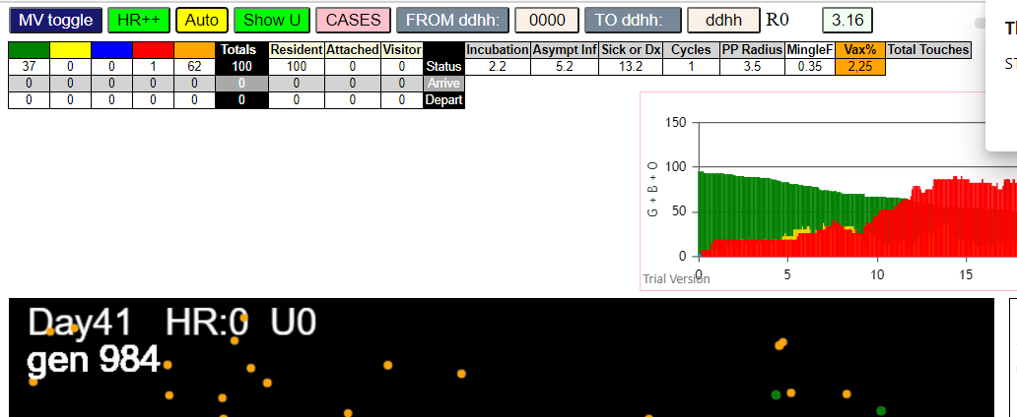

simulationRev2Vax.js:4297 exit covidSim
simulationRev2Vax.js:23 getAsText File {name: "HundredAgentsU0.csv", lastModified: 1599797804000, lastModifiedDate: Thu Sep 10 2020 21:16:44 GMT-0700 (Pacific Daylight Time), webkitRelativePath: "", size: 2140, …}
simulationRev2Vax.js:32 File {name: "HundredAgentsU0.csv", lastModified: 1599797804000, lastModifiedDate: Thu Sep 10 2020 21:16:44 GMT-0700 (Pacific Daylight Time), webkitRelativePath: "", size: 2140, …}
simulationRev2Vax.js:23 getAsText File {name: "VL5.csv", lastModified: 1602824104000, lastModifiedDate: Thu Oct 15 2020 21:55:04 GMT-0700 (Pacific Daylight Time), webkitRelativePath: "", size: 144, …}
simulationRev2Vax.js:32 File {name: "VL5.csv", lastModified: 1602824104000, lastModifiedDate: Thu Oct 15 2020 21:55:04 GMT-0700 (Pacific Daylight Time), webkitRelativePath: "", size: 144, …}
simulationRev2Vax.js:1674 (100) [0, 1, 2, 3, 4, 5, 6, 7, 8, 9, 10, 11, 12, 13, 14, 15, 16, 17, 18, 19, 20, 21, 22, 23, 24, 25, 26, 27, 28, 29, 30, 31, 32, 33, 34, 35, 36, 37, 38, 39, 40, 41, 42, 43, 44, 45, 46, 47, 48, 49, 50, 51, 52, 53, 54, 55, 56, 57, 58, 59, 60, 61, 62, 63, 64, 65, 66, 67, 68, 69, 70, 71, 72, 73, 74, 75, 76, 77, 78, 79, 80, 81, 82, 83, 84, 85, 86, 87, 88, 89, 90, 91, 92, 93, 94, 95, 96, 97, 98, 99]
simulationRev2Vax.js:1684 (95) [0, 1, 2, 3, 4, 5, 6, 7, 8, 9, 15, 16, 17, 18, 19, 20, 21, 22, 23, 24, 25, 26, 27, 28, 29, 30, 31, 32, 33, 34, 35, 36, 37, 38, 39, 40, 41, 42, 43, 44, 45, 46, 47, 48, 49, 50, 51, 52, 53, 54, 55, 56, 57, 58, 59, 60, 61, 62, 63, 64, 65, 66, 67, 68, 69, 70, 71, 72, 73, 74, 75, 76, 77, 78, 79, 80, 81, 82, 83, 84, 85, 86, 87, 88, 89, 90, 91, 92, 93, 94, 95, 96, 97, 98, 99]
simulationRev2Vax.js:1712 Vaccination list = 23
simulationRev2Vax.js:1726 vaccinated 31,56,28,15,39,47,35,79,6,94,19,64,97,85,67,9,30,43,48,24,75,89,81
simulationRev2Vax.js:2150 5I i:famKey 1:-1 infected by blue j:famKey 11:-1 at gen 3 in U0 prob=0.991
simulationRev2Vax.js:2133 6I j:famKey 91:-1 infected by blue i:famKey 10:-1 at gen 9 in Univ0 prob=0.011
simulationRev2Vax.js:2150 7I i:famKey 0:-1 infected by blue j:famKey 10:-1 at gen 11 in U0 prob=0.701
simulationRev2Vax.js:2133 8I j:famKey 28:-1 infected by red i:famKey 12:-1 at gen 28 in Univ0 prob=0.181
simulationRev2Vax.js:2133 9I j:famKey 99:-1 infected by red i:famKey 10:-1 at gen 36 in Univ0 prob=0.281
simulationRev2Vax.js:2150 10I i:famKey 6:-1 infected by red j:famKey 10:-1 at gen 58 in U0 prob=0.935
simulationRev2Vax.js:2133 10I j:famKey 71:-1 infected by red i:famKey 12:-1 at gen 58 in Univ0 prob=0.292
simulationRev2Vax.js:2133 12I j:famKey 40:-1 infected by red i:famKey 14:-1 at gen 72 in Univ0 prob=0.175
simulationRev2Vax.js:2133 13I j:famKey 70:-1 infected by red i:famKey 10:-1 at gen 94 in Univ0 prob=0.764
simulationRev2Vax.js:2133 14I j:famKey 64:-1 infected by red i:famKey 12:-1 at gen 111 in Univ0 prob=0.392
simulationRev2Vax.js:2133 14I j:famKey 78:-1 infected by blue i:famKey 1:-1 at gen 112 in Univ0 prob=0.249
simulationRev2Vax.js:2150 16I i:famKey 44:-1 infected by blue j:famKey 99:-1 at gen 128 in U0 prob=0.391
simulationRev2Vax.js:2133 16I j:famKey 22:-1 infected by red i:famKey 11:-1 at gen 129 in Univ0 prob=0.272
simulationRev2Vax.js:2133 18I j:famKey 52:-1 infected by blue i:famKey 6:-1 at gen 135 in Univ0 prob=0.071
simulationRev2Vax.js:2133 19I j:famKey 45:-1 infected by red i:famKey 10:-1 at gen 138 in Univ0 prob=0.043
simulationRev2Vax.js:2133 20I j:famKey 94:-1 infected by red i:famKey 28:-1 at gen 144 in Univ0 prob=0.080
simulationRev2Vax.js:2133 21I j:famKey 24:-1 infected by red i:famKey 0:-1 at gen 155 in Univ0 prob=0.215
simulationRev2Vax.js:2133 22I j:famKey 36:-1 infected by blue i:famKey 6:-1 at gen 177 in Univ0 prob=0.738
simulationRev2Vax.js:2133 23I j:famKey 96:-1 infected by blue i:famKey 64:-1 at gen 187 in Univ0 prob=0.801
simulationRev2Vax.js:2133 24I j:famKey 53:-1 infected by red i:famKey 6:-1 at gen 198 in Univ0 prob=0.066
simulationRev2Vax.js:2133 24I j:famKey 68:-1 infected by blue i:famKey 22:-1 at gen 199 in Univ0 prob=0.762
simulationRev2Vax.js:2150 25I i:famKey 47:-1 infected by red j:famKey 71:-1 at gen 200 in U0 prob=0.131
simulationRev2Vax.js:2150 27I i:famKey 18:-1 infected by red j:famKey 71:-1 at gen 215 in U0 prob=0.179
simulationRev2Vax.js:2150 28I i:famKey 2:-1 infected by blue j:famKey 22:-1 at gen 217 in U0 prob=0.335
simulationRev2Vax.js:2150 29I i:famKey 20:-1 infected by red j:famKey 71:-1 at gen 239 in U0 prob=0.783
simulationRev2Vax.js:2133 30I j:famKey 90:-1 infected by blue i:famKey 52:-1 at gen 242 in Univ0 prob=0.692
simulationRev2Vax.js:2150 31I i:famKey 41:-1 infected by yellow j:famKey 68:-1 at gen 248 in U0 prob=0.388
simulationRev2Vax.js:2133 32I j:famKey 97:-1 infected by red i:famKey 6:-1 at gen 261 in Univ0 prob=0.889
simulationRev2Vax.js:2150 33I i:famKey 38:-1 infected by red j:famKey 78:-1 at gen 277 in U0 prob=0.845
simulationRev2Vax.js:2150 34I i:famKey 34:-1 infected by blue j:famKey 47:-1 at gen 282 in U0 prob=0.981
simulationRev2Vax.js:2133 35I j:famKey 86:-1 infected by blue i:famKey 68:-1 at gen 284 in Univ0 prob=0.109
simulationRev2Vax.js:2150 36I i:famKey 35:-1 infected by blue j:famKey 96:-1 at gen 287 in U0 prob=0.654
simulationRev2Vax.js:2133 36I j:famKey 58:-1 infected by yellow i:famKey 35:-1 at gen 288 in Univ0 prob=0.128
simulationRev2Vax.js:2133 38I j:famKey 62:-1 infected by blue i:famKey 36:-1 at gen 290 in Univ0 prob=0.025
simulationRev2Vax.js:2133 39I j:famKey 79:-1 infected by red i:famKey 1:-1 at gen 293 in Univ0 prob=0.957
simulationRev2Vax.js:2150 40I i:famKey 89:-1 infected by red j:famKey 96:-1 at gen 307 in U0 prob=0.373
simulationRev2Vax.js:2133 41I j:famKey 82:-1 infected by blue i:famKey 18:-1 at gen 315 in Univ0 prob=0.163
simulationRev2Vax.js:2150 42I i:famKey 56:-1 infected by yellow j:famKey 89:-1 at gen 317 in U0 prob=0.898
simulationRev2Vax.js:2133 43I j:famKey 73:-1 infected by red i:famKey 71:-1 at gen 331 in Univ0 prob=0.082
simulationRev2Vax.js:2133 44I j:famKey 72:-1 infected by red i:famKey 47:-1 at gen 376 in Univ0 prob=0.765
simulationRev2Vax.js:2150 45I i:famKey 74:-1 infected by blue j:famKey 86:-1 at gen 380 in U0 prob=0.828
simulationRev2Vax.js:2133 46I j:famKey 83:-1 infected by red i:famKey 22:-1 at gen 399 in Univ0 prob=0.899
simulationRev2Vax.js:2133 47I j:famKey 59:-1 infected by red i:famKey 34:-1 at gen 408 in Univ0 prob=0.798
simulationRev2Vax.js:2150 48I i:famKey 48:-1 infected by red j:famKey 62:-1 at gen 430 in U0 prob=0.936
simulationRev2Vax.js:2150 49I i:famKey 21:-1 infected by red j:famKey 41:-1 at gen 447 in U0 prob=0.804
simulationRev2Vax.js:2150 50I i:famKey 60:-1 infected by red j:famKey 73:-1 at gen 450 in U0 prob=0.758
simulationRev2Vax.js:2150 51I i:famKey 15:-1 infected by red j:famKey 68:-1 at gen 454 in U0 prob=0.756
simulationRev2Vax.js:2133 52I j:famKey 63:-1 infected by red i:famKey 62:-1 at gen 472 in Univ0 prob=0.797
simulationRev2Vax.js:2133 53I j:famKey 93:-1 infected by red i:famKey 89:-1 at gen 481 in Univ0 prob=0.876
simulationRev2Vax.js:2150 54I i:famKey 69:-1 infected by red j:famKey 97:-1 at gen 489 in U0 prob=0.785
simulationRev2Vax.js:2150 55I i:famKey 16:-1 infected by red j:famKey 90:-1 at gen 507 in U0 prob=0.934
simulationRev2Vax.js:2150 56I i:famKey 3:-1 infected by blue j:famKey 60:-1 at gen 537 in U0 prob=0.755
simulationRev2Vax.js:2133 57I j:famKey 85:-1 infected by red i:famKey 38:-1 at gen 557 in Univ0 prob=0.992
simulationRev2Vax.js:2150 58I i:famKey 31:-1 infected by blue j:famKey 63:-1 at gen 569 in U0 prob=0.848
simulationRev2Vax.js:2150 59I i:famKey 42:-1 infected by red j:famKey 83:-1 at gen 586 in U0 prob=0.807
simulationRev2Vax.js:2133 60I j:famKey 76:-1 infected by red i:famKey 21:-1 at gen 594 in Univ0 prob=0.828
simulationRev2Vax.js:2150 61I i:famKey 27:-1 infected by red j:famKey 74:-1 at gen 608 in U0 prob=0.915
simulationRev2Vax.js:2150 62I i:famKey 29:-1 infected by red j:famKey 63:-1 at gen 623 in U0 prob=0.850
simulationRev2Vax.js:2133 63I j:famKey 95:-1 infected by blue i:famKey 31:-1 at gen 641 in Univ0 prob=0.876
simulationRev2Vax.js:2133 64I j:famKey 75:-1 infected by red i:famKey 72:-1 at gen 645 in Univ0 prob=0.764
simulationRev2Vax.js:2150 65I i:famKey 55:-1 infected by red j:famKey 74:-1 at gen 651 in U0 prob=0.843
simulationRev2Vax.js:2133 66I j:famKey 84:-1 infected by red i:famKey 21:-1 at gen 679 in Univ0 prob=0.734
simulationRev2Vax.js:2150 67I i:famKey 51:-1 infected by red j:famKey 60:-1 at gen 686 in U0 prob=0.791
simulationRev2Vax.js:2133 68I j:famKey 4:-1 infected by red i:famKey 3:-1 at gen 817 in Univ0 prob=0.968

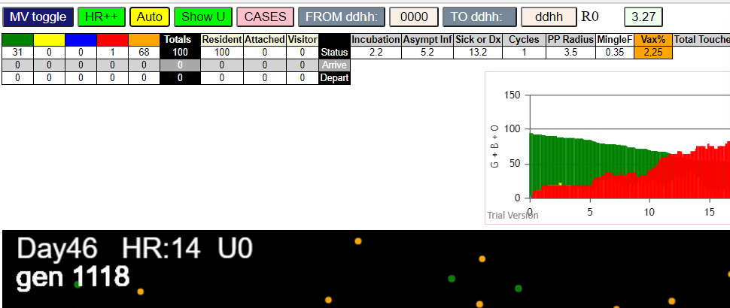
 | 48
 | 52.75

mode3
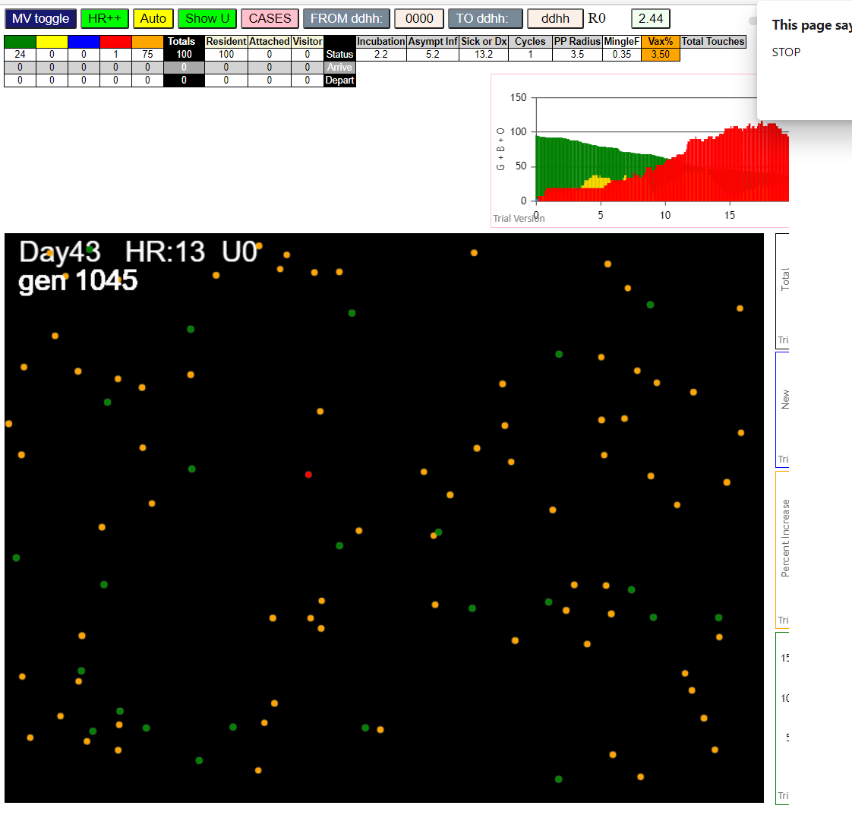
(99) [0, 1, 2, 3, 4, 5, 6, 7, 8, 9, 11, 12, 13, 14, 15, 16, 17, 18, 19, 20, 21, 22, 23, 24, 25, 26, 27, 28, 29, 30, 31, 32, 33, 34, 35, 36, 37, 38, 39, 40, 41, 42, 43, 44, 45, 46, 47, 48, 49, 50, 51, 52, 53, 54, 55, 56, 57, 58, 59, 60, 61, 62, 63, 64, 65, 66, 67, 68, 69, 70, 71, 72, 73, 74, 75, 76, 77, 78, 79, 80, 81, 82, 83, 84, 85, 86, 87, 88, 89, 90, 91, 92, 93, 94, 95, 96, 97, 98, 99]
simulationRev2Vax.js:1712 Vaccination list = 49
simulationRev2Vax.js:1726 vaccinated 97,21,60,13,49,34,64,14,76,12,26,11,19,31,59,77,82,45,39,68,54,57,18,3,36,62,30,28,69,50,88,80,84,53,5,29,86,74,33,92,0,24,99,73,37,56,8,43,46
simulationRev2Vax.js:2133 1I j:famKey 19:-1 infected by red i:famKey 10:-1 at gen 31 in Univ0 prob=0.448
simulationRev2Vax.js:2133 2I j:famKey 84:-1 infected by red i:famKey 10:-1 at gen 89 in Univ0 prob=0.251
simulationRev2Vax.js:2150 3I i:famKey 81:-1 infected by blue j:famKey 84:-1 at gen 157 in U0 prob=0.179

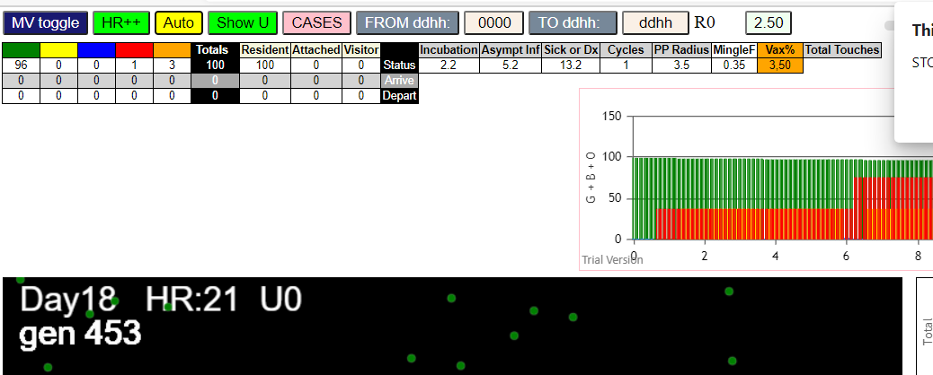

simulationRev2Vax.js:4297 exit covidSim
simulationRev2Vax.js:23 getAsText File {name: "HundredAgentsU0.csv", lastModified: 1599797804000, lastModifiedDate: Thu Sep 10 2020 21:16:44 GMT-0700 (Pacific Daylight Time), webkitRelativePath: "", size: 2140, …}
simulationRev2Vax.js:32 File {name: "HundredAgentsU0.csv", lastModified: 1599797804000, lastModifiedDate: Thu Sep 10 2020 21:16:44 GMT-0700 (Pacific Daylight Time), webkitRelativePath: "", size: 2140, …}
simulationRev2Vax.js:23 getAsText File {name: "VL1.csv", lastModified: 1603760180000, lastModifiedDate: Mon Oct 26 2020 17:56:20 GMT-0700 (Pacific Daylight Time), webkitRelativePath: "", size: 66, …}
simulationRev2Vax.js:32 File {name: "VL1.csv", lastModified: 1603760180000, lastModifiedDate: Mon Oct 26 2020 17:56:20 GMT-0700 (Pacific Daylight Time), webkitRelativePath: "", size: 66, …}
simulationRev2Vax.js:1674 (100) [0, 1, 2, 3, 4, 5, 6, 7, 8, 9, 10, 11, 12, 13, 14, 15, 16, 17, 18, 19, 20, 21, 22, 23, 24, 25, 26, 27, 28, 29, 30, 31, 32, 33, 34, 35, 36, 37, 38, 39, 40, 41, 42, 43, 44, 45, 46, 47, 48, 49, 50, 51, 52, 53, 54, 55, 56, 57, 58, 59, 60, 61, 62, 63, 64, 65, 66, 67, 68, 69, 70, 71, 72, 73, 74, 75, 76, 77, 78, 79, 80, 81, 82, 83, 84, 85, 86, 87, 88, 89, 90, 91, 92, 93, 94, 95, 96, 97, 98, 99]
simulationRev2Vax.js:1684 (99) [0, 1, 2, 3, 4, 5, 6, 7, 8, 9, 11, 12, 13, 14, 15, 16, 17, 18, 19, 20, 21, 22, 23, 24, 25, 26, 27, 28, 29, 30, 31, 32, 33, 34, 35, 36, 37, 38, 39, 40, 41, 42, 43, 44, 45, 46, 47, 48, 49, 50, 51, 52, 53, 54, 55, 56, 57, 58, 59, 60, 61, 62, 63, 64, 65, 66, 67, 68, 69, 70, 71, 72, 73, 74, 75, 76, 77, 78, 79, 80, 81, 82, 83, 84, 85, 86, 87, 88, 89, 90, 91, 92, 93, 94, 95, 96, 97, 98, 99]
simulationRev2Vax.js:1712 Vaccination list = 49
simulationRev2Vax.js:1726 vaccinated 78,59,89,60,76,68,37,84,1,65,95,0,52,9,73,34,2,90,93,55,63,61,3,26,69,74,50,36,96,94,53,47,58,45,12,62,81,13,32,31,41,38,64,56,5,40,21,86,72
simulationRev2Vax.js:2133 1I j:famKey 12:-1 infected by red i:famKey 10:-1 at gen 42 in Univ0 prob=0.578
simulationRev2Vax.js:2133 2I j:famKey 86:-1 infected by red i:famKey 10:-1 at gen 130 in Univ0 prob=0.119
simulationRev2Vax.js:2133 3I j:famKey 25:-1 infected by blue i:famKey 12:-1 at gen 140 in Univ0 prob=0.597
simulationRev2Vax.js:2133 4I j:famKey 35:-1 infected by blue i:famKey 12:-1 at gen 152 in Univ0 prob=0.587
simulationRev2Vax.js:2133 5I j:famKey 72:-1 infected by blue i:famKey 35:-1 at gen 229 in Univ0 prob=0.983
simulationRev2Vax.js:2150 5I i:famKey 78:-1 infected by blue j:famKey 86:-1 at gen 229 in U0 prob=0.284
simulationRev2Vax.js:2133 5I j:famKey 81:-1 infected by blue i:famKey 35:-1 at gen 230 in Univ0 prob=0.072
simulationRev2Vax.js:2150 8I i:famKey 34:-1 infected by red j:famKey 35:-1 at gen 313 in U0 prob=0.343
...
simulationRev2Vax.js:2150 22I i:famKey 38:-1 infected by red j:famKey 82:-1 at gen 614 in U0 prob=0.922
simulationRev2Vax.js:2133 23I j:famKey 70:-1 infected by blue i:famKey 38:-1 at gen 674 in Univ0 prob=0.317
simulationRev2Vax.js:2133 24I j:famKey 74:-1 infected by red i:famKey 62:-1 at gen 678 in Univ0 prob=0.988
simulationRev2Vax.js:2150 24I i:famKey 16:-1 infected by red j:famKey 63:-1 at gen 679 in U0 prob=0.782
simulationRev2Vax.js:2150 24I i:famKey 55:-1 infected by red j:famKey 62:-1 at gen 679 in U0 prob=0.689
simulationRev2Vax.js:2150 27I i:famKey 15:-1 infected by yellow j:famKey 55:-1 at gen 681 in U0 prob=0.238
simulationRev2Vax.js:2150 28I i:famKey 41:-1 infected by red j:famKey 80:-1 at gen 694 in U0 prob=0.890

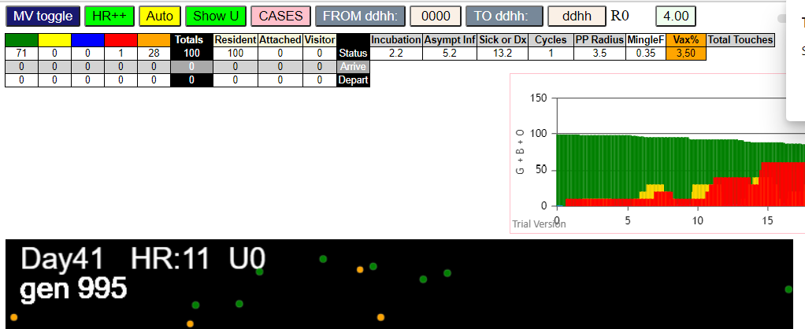

(99) [0, 1, 2, 3, 4, 5, 6, 7, 8, 9, 11, 12, 13, 14, 15, 16, 17, 18, 19, 20, 21, 22, 23, 24, 25, 26, 27, 28, 29, 30, 31, 32, 33, 34, 35, 36, 37, 38, 39, 40, 41, 42, 43, 44, 45, 46, 47, 48, 49, 50, 51, 52, 53, 54, 55, 56, 57, 58, 59, 60, 61, 62, 63, 64, 65, 66, 67, 68, 69, 70, 71, 72, 73, 74, 75, 76, 77, 78, 79, 80, 81, 82, 83, 84, 85, 86, 87, 88, 89, 90, 91, 92, 93, 94, 95, 96, 97, 98, 99]
simulationRev2Vax.js:1712 Vaccination list = 49
simulationRev2Vax.js:1726 vaccinated 45,99,19,55,48,13,92,78,44,14,40,58,61,53,30,31,34,91,67,26,60,8,77,38,65,63,81,94,83,62,16,39,36,84,79,33,49,9,69,54,3,5,87,80,37,43,98,12,66
simulationRev2Vax.js:2133 1I j:famKey 84:-1 infected by blue i:famKey 10:-1 at gen 11 in Univ0 prob=0.255
simulationRev2Vax.js:2133 2I j:famKey 83:-1 infected by red i:famKey 10:-1 at gen 137 in Univ0 prob=0.311
simulationRev2Vax.js:2150 3I i:famKey 67:-1 infected by red j:famKey 84:-1 at gen 169 in U0 prob=0.464
...
simulationRev2Vax.js:2150 9I i:famKey 40:-1 infected by red j:famKey 74:-1 at gen 526 in U0 prob=0.833
simulationRev2Vax.js:2150 10I i:famKey 79:-1 infected by red j:famKey 90:-1 at gen 542 in U0 prob=0.974
simulationRev2Vax.js:2133 11I j:famKey 77:-1 infected by blue i:famKey 40:-1 at gen 607 in Univ0 prob=0.964
simulationRev2Vax.js:2133 12I j:famKey 97:-1 infected by red i:famKey 74:-1 at gen 616 in Univ0 prob=0.947
simulationRev2Vax.js:2150 13I i:famKey 20:-1 infected by blue j:famKey 79:-1 at gen 620 in U0 prob=0.776
simulationRev2Vax.js:2133 14I j:famKey 68:-1 infected by red i:famKey 40:-1 at gen 648 in Univ0 prob=0.806
simulationRev2Vax.js:2150 15I i:famKey 28:-1 infected by blue j:famKey 97:-1 at gen 691 in U0 prob=0.276
simulationRev2Vax.js:2133 16I j:famKey 92:-1 infected by blue i:famKey 28:-1 at gen 742 in Univ0 prob=0.967

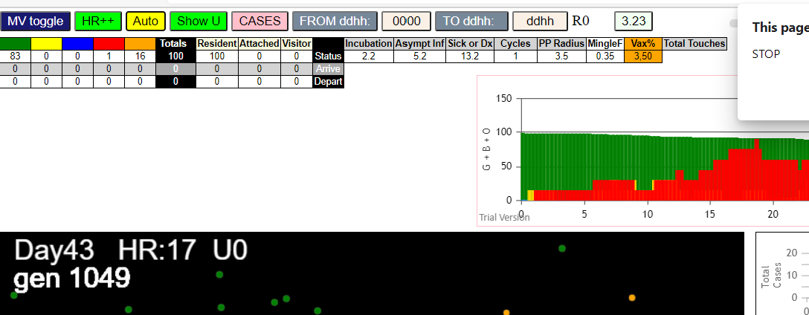

simulationRev2Vax.js:4297 exit covidSim
simulationRev2Vax.js:23 getAsText File {name: "HundredAgentsU0.csv", lastModified: 1599797804000, lastModifiedDate: Thu Sep 10 2020 21:16:44 GMT-0700 (Pacific Daylight Time), webkitRelativePath: "", size: 2140, …}
simulationRev2Vax.js:32 File {name: "HundredAgentsU0.csv", lastModified: 1599797804000, lastModifiedDate: Thu Sep 10 2020 21:16:44 GMT-0700 (Pacific Daylight Time), webkitRelativePath: "", size: 2140, …}
simulationRev2Vax.js:23 getAsText File {name: "VL1.csv", lastModified: 1603760180000, lastModifiedDate: Mon Oct 26 2020 17:56:20 GMT-0700 (Pacific Daylight Time), webkitRelativePath: "", size: 66, …}
simulationRev2Vax.js:32 File {name: "VL1.csv", lastModified: 1603760180000, lastModifiedDate: Mon Oct 26 2020 17:56:20 GMT-0700 (Pacific Daylight Time), webkitRelativePath: "", size: 66, …}
simulationRev2Vax.js:1674 (100) [0, 1, 2, 3, 4, 5, 6, 7, 8, 9, 10, 11, 12, 13, 14, 15, 16, 17, 18, 19, 20, 21, 22, 23, 24, 25, 26, 27, 28, 29, 30, 31, 32, 33, 34, 35, 36, 37, 38, 39, 40, 41, 42, 43, 44, 45, 46, 47, 48, 49, 50, 51, 52, 53, 54, 55, 56, 57, 58, 59, 60, 61, 62, 63, 64, 65, 66, 67, 68, 69, 70, 71, 72, 73, 74, 75, 76, 77, 78, 79, 80, 81, 82, 83, 84, 85, 86, 87, 88, 89, 90, 91, 92, 93, 94, 95, 96, 97, 98, 99]
simulationRev2Vax.js:1684 (99) [0, 1, 2, 3, 4, 5, 6, 7, 8, 9, 11, 12, 13, 14, 15, 16, 17, 18, 19, 20, 21, 22, 23, 24, 25, 26, 27, 28, 29, 30, 31, 32, 33, 34, 35, 36, 37, 38, 39, 40, 41, 42, 43, 44, 45, 46, 47, 48, 49, 50, 51, 52, 53, 54, 55, 56, 57, 58, 59, 60, 61, 62, 63, 64, 65, 66, 67, 68, 69, 70, 71, 72, 73, 74, 75, 76, 77, 78, 79, 80, 81, 82, 83, 84, 85, 86, 87, 88, 89, 90, 91, 92, 93, 94, 95, 96, 97, 98, 99]
simulationRev2Vax.js:1712 Vaccination list = 49
...
simulationRev2Vax.js:2150 7I i:famKey 31:-1 infected by blue j:famKey 32:-1 at gen 315 in U0 prob=0.969
simulationRev2Vax.js:2133 8I j:famKey 93:-1 infected by blue i:famKey 31:-1 at gen 402 in Univ0 prob=0.764
simulationRev2Vax.js:2150 9I i:famKey 11:-1 infected by red j:famKey 16:-1 at gen 442 in U0 prob=0.888
simulationRev2Vax.js:2133 10I j:famKey 15:-1 infected by red i:famKey 12:-1 at gen 492 in Univ0 prob=0.997
simulationRev2Vax.js:2133 11I j:famKey 59:-1 infected by red i:famKey 21:-1 at gen 519 in Univ0 prob=0.945
simulationRev2Vax.js:2133 12I j:famKey 37:-1 infected by blue i:famKey 15:-1 at gen 587 in Univ0 prob=0.879
simulationRev2Vax.js:2133 13I j:famKey 99:-1 infected by red i:famKey 15:-1 at gen 685 in Univ0 prob=0.212
simulationRev2Vax.js:2150 14I i:famKey 47:-1 infected by red j:famKey 59:-1 at gen 687 in U0 prob=0.016

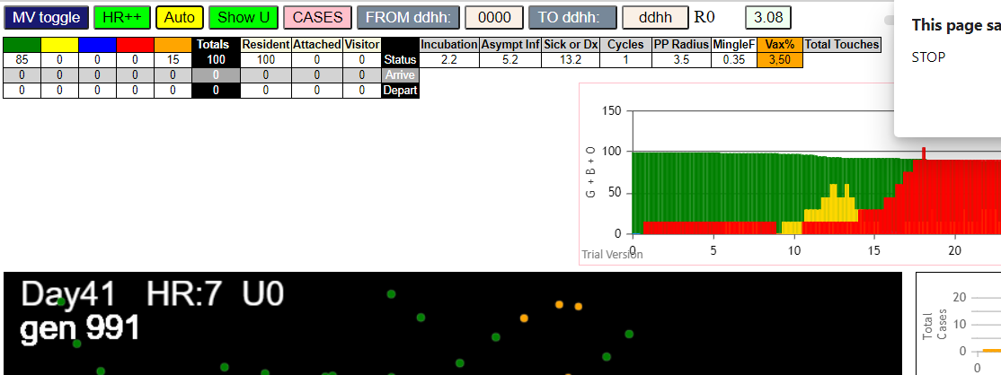

simulationRev2Vax.js:4297 exit covidSim
simulationRev2Vax.js:23 getAsText File {name: "HundredAgentsU0.csv", lastModified: 1599797804000, lastModifiedDate: Thu Sep 10 2020 21:16:44 GMT-0700 (Pacific Daylight Time), webkitRelativePath: "", size: 2140, …}
simulationRev2Vax.js:32 File {name: "HundredAgentsU0.csv", lastModified: 1599797804000, lastModifiedDate: Thu Sep 10 2020 21:16:44 GMT-0700 (Pacific Daylight Time), webkitRelativePath: "", size: 2140, …}
simulationRev2Vax.js:23 getAsText File {name: "VL1.csv", lastModified: 1603760180000, lastModifiedDate: Mon Oct 26 2020 17:56:20 GMT-0700 (Pacific Daylight Time), webkitRelativePath: "", size: 66, …}
simulationRev2Vax.js:32 File {name: "VL1.csv", lastModified: 1603760180000, lastModifiedDate: Mon Oct 26 2020 17:56:20 GMT-0700 (Pacific Daylight Time), webkitRelativePath: "", size: 66, …}
simulationRev2Vax.js:1674 (100) [0, 1, 2, 3, 4, 5, 6, 7, 8, 9, 10, 11, 12, 13, 14, 15, 16, 17, 18, 19, 20, 21, 22, 23, 24, 25, 26, 27, 28, 29, 30, 31, 32, 33, 34, 35, 36, 37, 38, 39, 40, 41, 42, 43, 44, 45, 46, 47, 48, 49, 50, 51, 52, 53, 54, 55, 56, 57, 58, 59, 60, 61, 62, 63, 64, 65, 66, 67, 68, 69, 70, 71, 72, 73, 74, 75, 76, 77, 78, 79, 80, 81, 82, 83, 84, 85, 86, 87, 88, 89, 90, 91, 92, 93, 94, 95, 96, 97, 98, 99]
simulationRev2Vax.js:1684 (99) [0, 1, 2, 3, 4, 5, 6, 7, 8, 9, 11, 12, 13, 14, 15, 16, 17, 18, 19, 20, 21, 22, 23, 24, 25, 26, 27, 28, 29, 30, 31, 32, 33, 34, 35, 36, 37, 38, 39, 40, 41, 42, 43, 44, 45, 46, 47, 48, 49, 50, 51, 52, 53, 54, 55, 56, 57, 58, 59, 60, 61, 62, 63, 64, 65, 66, 67, 68, 69, 70, 71, 72, 73, 74, 75, 76, 77, 78, 79, 80, 81, 82, 83, 84, 85, 86, 87, 88, 89, 90, 91, 92, 93, 94, 95, 96, 97, 98, 99]
simulationRev2Vax.js:1712 Vaccination list = 49
...
simulationRev2Vax.js:2133 8I j:famKey 93:-1 infected by blue i:famKey 31:-1 at gen 402 in Univ0 prob=0.764
simulationRev2Vax.js:2150 9I i:famKey 11:-1 infected by red j:famKey 16:-1 at gen 442 in U0 prob=0.888
simulationRev2Vax.js:2133 10I j:famKey 15:-1 infected by red i:famKey 12:-1 at gen 492 in Univ0 prob=0.997
simulationRev2Vax.js:2133 11I j:famKey 59:-1 infected by red i:famKey 21:-1 at gen 519 in Univ0 prob=0.945
simulationRev2Vax.js:2133 12I j:famKey 37:-1 infected by blue i:famKey 15:-1 at gen 587 in Univ0 prob=0.879
simulationRev2Vax.js:2133 13I j:famKey 99:-1 infected by red i:famKey 15:-1 at gen 685 in Univ0 prob=0.212
simulationRev2Vax.js:2150 14I i:famKey 47:-1 infected by red j:famKey 59:-1 at gen 687 in U0 prob=0.016

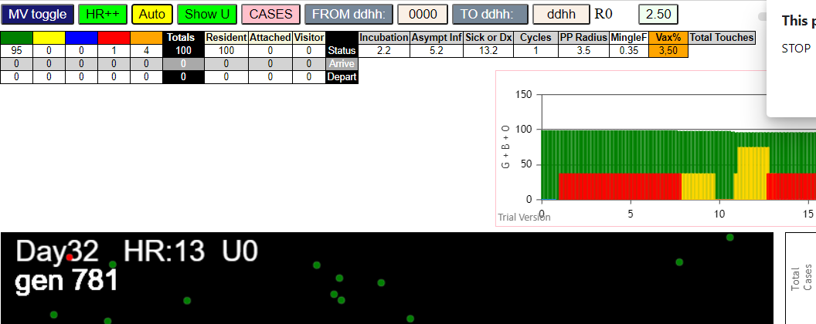

Five transmitters

simulationRev2Vax.js:4297 exit covidSim
simulationRev2Vax.js:23 getAsText File {name: "HundredAgentsU0.csv", lastModified: 1599797804000, lastModifiedDate: Thu Sep 10 2020 21:16:44 GMT-0700 (Pacific Daylight Time), webkitRelativePath: "", size: 2140, …}
simulationRev2Vax.js:32 File {name: "HundredAgentsU0.csv", lastModified: 1599797804000, lastModifiedDate: Thu Sep 10 2020 21:16:44 GMT-0700 (Pacific Daylight Time), webkitRelativePath: "", size: 2140, …}
simulationRev2Vax.js:23 getAsText File {name: "VL5.csv", lastModified: 1602824104000, lastModifiedDate: Thu Oct 15 2020 21:55:04 GMT-0700 (Pacific Daylight Time), webkitRelativePath: "", size: 144, …}
simulationRev2Vax.js:32 File {name: "VL5.csv", lastModified: 1602824104000, lastModifiedDate: Thu Oct 15 2020 21:55:04 GMT-0700 (Pacific Daylight Time), webkitRelativePath: "", size: 144, …}
simulationRev2Vax.js:1674 (100) [0, 1, 2, 3, 4, 5, 6, 7, 8, 9, 10, 11, 12, 13, 14, 15, 16, 17, 18, 19, 20, 21, 22, 23, 24, 25, 26, 27, 28, 29, 30, 31, 32, 33, 34, 35, 36, 37, 38, 39, 40, 41, 42, 43, 44, 45, 46, 47, 48, 49, 50, 51, 52, 53, 54, 55, 56, 57, 58, 59, 60, 61, 62, 63, 64, 65, 66, 67, 68, 69, 70, 71, 72, 73, 74, 75, 76, 77, 78, 79, 80, 81, 82, 83, 84, 85, 86, 87, 88, 89, 90, 91, 92, 93, 94, 95, 96, 97, 98, 99]
...
simulationRev2Vax.js:2133 68I j:famKey 98:-1 infected by red i:famKey 49:-1 at gen 587 in Univ0 prob=0.811
simulationRev2Vax.js:2133 68I j:famKey 99:-1 infected by blue i:famKey 31:-1 at gen 588 in Univ0 prob=0.788
simulationRev2Vax.js:2150 70I i:famKey 17:-1 infected by red j:famKey 65:-1 at gen 593 in U0 prob=0.814
simulationRev2Vax.js:2133 70I j:famKey 96:-1 infected by red i:famKey 45:-1 at gen 593 in Univ0 prob=0.834
simulationRev2Vax.js:2150 72I i:famKey 20:-1 infected by blue j:famKey 31:-1 at gen 614 in U0 prob=0.756
simulationRev2Vax.js:2133 73I j:famKey 8:-1 infected by red i:famKey 2:-1 at gen 652 in Univ0 prob=0.903
simulationRev2Vax.js:2133 74I j:famKey 51:-1 infected by blue i:famKey 20:-1 at gen 704 in Univ0 prob=0.986
simulationRev2Vax.js:2150 75I i:famKey 38:-1 infected by red j:famKey 86:-1 at gen 749 in U0 prob=0.996

